COVER
LINHAI M210 PARTS MANUAL

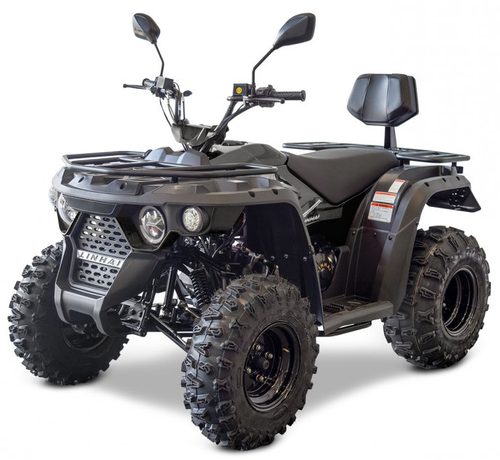

V01 (T3b)
V01 STEERING ASSY |  |  |  |  |  |  |  | BACK
 |  |  |  |  |  |  |  |  |  | 20240328改图

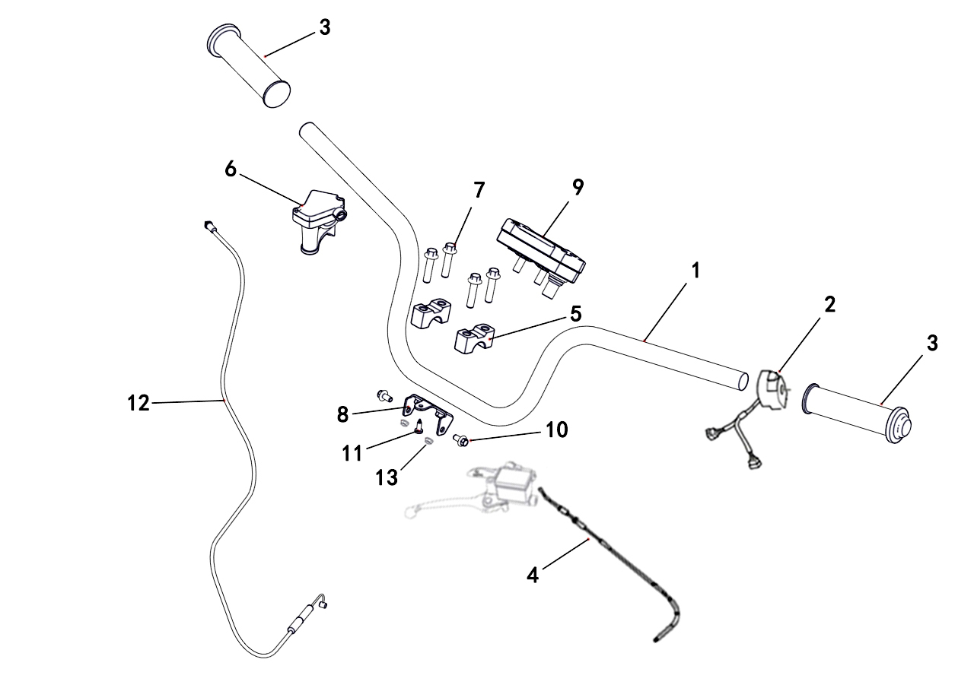

REF. No. | PART No. | DESCRIPTION | Q'TY | PIN | I/C | 图号 | 名称 | PRICE
1 | 36793b | HANDLEBAR | 1 |  |  | 4BH-26118-20 | 方向把 | $6.21
2 | 37135 | SWITCH ASSY | 1 |  |  | 4BR-83900-00 | 左把手开关 | $11.13
3 | 37136 | GRIP | 2 |  |  | 4S9-F6241-00 | 油门转把 (把手护套) | $0.68 |  |  | 20220421改
4 | 37137 | THROTTLE CABLE ASSY (2150mm) PARKING BRAKE CABLE ASSY (2150mm) | 1 |  |  | 4BR-26341-00 | 驻车拉索组件 (长度2150mm) | $12.68 | MODIFY DESCRIPTION |  | 20220421改
5 | 20112a | HANDLEBAR CLAMP | 2 |  |  | 4AL-26113-00 | 方向把压块 | $1.52 |  |  | LH260ATV.5-2
6 | 37138 | THROTTLE CABLE BRACKET | 1 |  |  | 4BR-26103-00 | 油门固定座组件 | $5.79
7 | 11030 | BOLT M8X35 BOLT M8X35 | 4 |  |  | B11A30835R | 螺栓M8X35 | $0.16 | MODIFY DESCRIPTION | 20240628改英文名称 | GB/T16674.1
8 | 62202 | SPEEDOMETER SUPPORT | 1 |  |  | 4BS-26119-00 | 仪表支架 | $4.01
9 | 62203 | SPEEDOMETER | 1 |  |  | 4BS-83500-00 | 液晶仪表 | $25.81 | REPLACED BY 62454
9 | 62454 | SPEEDOMETER | 1 |  |  | 4BS-83500-01 | 液晶仪表 | $25.81 | CORRECT PLM | 20230927改图号
10 | 10140B | BOLT M6X12 | 2 |  |  | B11A30612R | 螺栓M6X12 | $0.11
11 | 47789 | SCREW 5X16 | 1 |  |  | 4FJ-24830-00 | 花型平圆头自攻螺钉M5X16 | $0.10 |  |  | GB/T845
12 | 62204 | THROTTLE CABLE ASSY (850mm) | 1 |  |  | 4BS-26001-00 | 油门钢索组件 (长度850mm) | $5.34 |  |  | 20220421改
13 | 11233 | NUT M6 | 2 |  |  | B51F30600R | 螺母M6 | $0.10 | NEW ADDED | 20240328新增

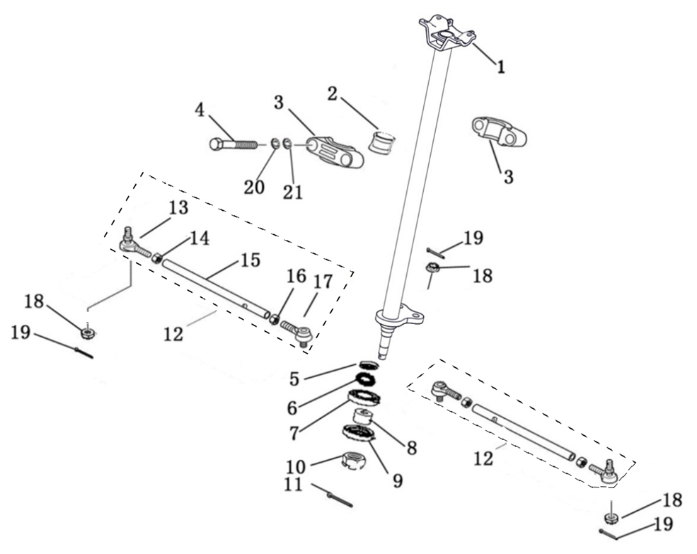
V01 STEERING ASSY |  |  |  |  |  |  |  | BACK
 |  |  |  |  |  |  |  |  |  | 20220422改图
 |  |  |  |  |  |  |  |  |  | 20230625改图

REF. No. | PART No. | DESCRIPTION | Q'TY | PIN | I/C | 图号 | 名称 | PRICE
1 | 62205 | STEERING COLUMN | 1 |  |  | 4BS-23310-00 | 方向柱焊接组件 | $21.36
2 | 36744 | STEERING CLAMP 1 | 1 |  |  | 4BH-23313-00 | 方向柱缓冲垫 | $0.35
3 | 36743 | STEERING CLAMP 2 | 2 |  |  | 4BH-23312-00 | 方向柱固定座 | $1.90
4 | 10139 | BOLT M8X65 | 2 |  |  | B15A30865R | 螺栓M8X65 | $0.17 |  | 20220516改 | GB/T5782
5 | 60303 | SEAL 32X18X7 | 1 |  |  | BYF3218071 | 油封32X18X7 | $0.30 |  |  | TC12427
6 | 10148 | SNAP RING | 1 |  |  | B723332000 | 挡圈32 | $0.15 |  |  | GB/T893.1
7 | 10159 | BEARING 6002Z | 1 |  |  | BCC0100101 | 轴承6002Z | $1.06 |  |  | GB/T276
8 | 60808 | SPACER | 1 |  |  | 4AG-25106-00 | 外隔套 | $0.19 |  |  | LH50ATV.6.1.3-1
9 | 60301 | SEAL 35X22X7 | 1 |  |  | BYF3522071 | 油封35X22X7 | $0.30 |  |  | TC4557
10 | 11577 | NUT M14X1.5 | 1 |  |  | B52F31400F | 螺母M14X1.5 | $0.20 |  |  | GB/T6187
11 | 70050 | COTTER PIN 3.2X30 COTTER PIN 3X30 | 1 |  |  | B377203300 | 开口销3X30 | $0.06 | MODIFY DESCRIPTION | 20240628改英文名称 | GB/T91
12 | 62206 | TIE ROD ASSY | 2 |  |  | 4BS-0F030-00 | 转向横拉杆组件 | $12.68
13 | 37142 | TIE ROD END RIGHT | 2 |  |  | 4BH-0F031-00 | 右接头总成 | $0.89
14 | 11786 | NUT M10 | 2 |  |  | B55F51000A | 螺母M10X1.25 | $0.11 |  |  | GB/T6170
15 | 62207 | TIE ROD | 2 |  |  | 4BS-26201-00 | 连接杆 | $6.68
16 | 11787 | NUT M10 LEFT | 2 |  |  | B55F51000B | 螺母M10X1.25 | $0.11 |  |  | GB/T6170
17 | 37144 | TIE ROD END (LIFT) | 2 |  |  | 4BH-0F032-00 | 左接头总成 | $3.12
18 | 11287 | NUT M10 | 4 |  |  | B52F31000A | 螺母M10X1.25 | $0.10 |  |  | GB/T6187
19 | 27215 | COTTER PIN 2.5X20 COTTER PIN 2.5X25 | 4 |  |  | B37722F250 | 开口销2.5X25 | $0.06 | MODIFY DESCRIPTION | 20240628改英文名称 | GB/T91
20 | 10106 | WASHER SPRING 8 | 2 |  |  | B653308000 | 弹垫8 | $0.06
21 | 11788 | WASHER 8 | 2 |  |  | B637308000 | 垫圈8 | $0.10
22 | 11330 | WASHER 10 | 4 |  |  | B637310000 | 垫圈10 | $0.10 | CANCELLED

V02
V02 FUEL TANK |  |  |  |  |  |  |  | BACK

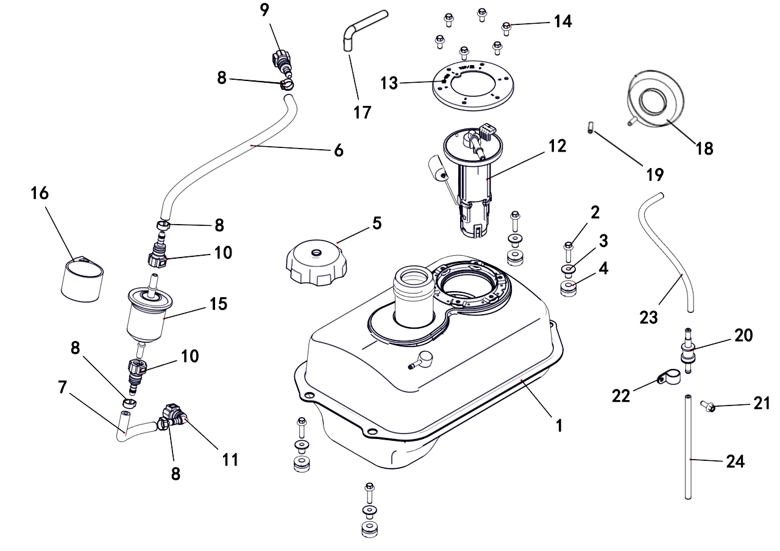

REF. No. | PART No. | DESCRIPTION | Q'TY | PIN | I/C | 图号 | 名称 | PRICE
1 | 62208 | FUEL TANK | 1 |  |  | 4BS-24110-00 | 油箱 | $30.26
2 | 11459 | BOLT M6X20 | 4 |  |  | B11A30620R | 螺栓M6X20 | $0.11 | REPLACED BY 11496 |  | GB/T16674.1
2 | 11496 | BOLT M6X30 | 4 |  |  | B11A30630R | 螺栓M6X30 | $0.06 | CORRECT PLM | 20230625改 | GB/T16674.1
3 | 48256 | T - SHAPED LINER BUSHING | 4 |  |  | 4CZ-28364-00 | T形轴套 | $1.29
4 | 48257 | I - SHAPED RUBBER DAMPER | 4 |  |  | 4CZ-28365-00 | 工字型橡胶垫 | $0.45
5 | 48673 | FUEL TANK CAP | 1 |  |  | 4CM-24600-00 | 油箱盖 | $4.39
6 | 62209 | HOSE Ⅰ (310mm) | 1 |  |  | 4BS-24122-00 | 油管Ⅰ (长度310mm) | $4.61 |  | 20220422改
7 | 62210 | HOSE Ⅱ (190mm) | 1 |  |  | 4BS-24123-00 | 油管Ⅱ (长度190mm) | $3.01 |  | 20220422改
8 | 48122 | CLIP 14.6 | 4 |  |  | 4CZ-24112-00 | 单耳无极卡箍14.6mm | $1.34
9 | 73145 | QUICK FITTING ASSY 9.49 | 1 |  |  | 4CF-24113-00 | 快速接头 (9.49) | $1.94 |  |  | LH700U.8.4
10 | 73146 | QUICK FITTING ASSY 7.89 | 2 |  |  | 4CF-24114-00 | 快速接头 (7.89) | $1.60 |  |  | LH700U.8.5
11 | 48004 | QUICK FITTING ASSY 7.89 (B13) | 1 |  |  | 4CF-241C3-00 | 快速接头 (7.89) | $1.94 |  |  | 直角型 (B13)
12 | 62211 | FUEL SENSOR | 1 |  |  | 4BS-24410-00 | 燃油泵 | $48.06
13 | 62212 | FUEL SENSOR PLATE | 1 |  |  | 4BS-24130-00 | 油泵压盘 | $0.89
14 | 11046 | BOLT M5X12 | 6 |  |  | B11A20512R | 螺栓M5X12 | $0.11 |  |  | GB/T16674.1镀白锌8.8级
15 | 48318 | FUEL FILTER | 1 |  |  | 4CZ-24510-00 | 燃油滤清器 | $4.61
16 | 48415 | FUEL FILER SUPPORT | 1 |  |  | 4AA-24561-00 | 汽油滤清器安装套 | $1.78
17 | 28095 | TUBE, FUEL CAP BREATHER (620mm) | 1 |  |  | 4AG-24103-00 | 溢油管 (长度620mm) | $5.36 |  | 20220422改 | LH50ATV.8-9
18 | 36078 | RUBBER PLATE | 1 |  |  | 4BB-2414A-00 | 溢油盘 | $1.71
19 | 60210 | LINKER | 1 |  |  | 4AG-24112-00 | 溢油接头 | $0.32 |  |  | LH50ATV.8-7
20 | 25037 | ROLL OVER VALVE ASSY | 1 |  |  | 3AU-24105-00 | 倾倒阀 | $3.86
21 | 10140B | BOLT M6X12 | 1 |  |  | B11A30612R | 螺栓M6X12 | $0.11
22 | 25351 | BRACKET, ROLLOVER VALVE | 1 |  |  | 3AU-24186-00 | 倾倒阀固定座 | $0.11
23 | 70734 | VENT PIPE (320mm) | 1 |  |  | 4AB-24123-00 | 通气管Ⅱ (长度320mm) | $1.46 |  | 20220422改
24 | 37145 | HOSE (Φ4.5×Φ8×400) | 1 |  |  | 4BH-24101-00 | 通气管 (φ4.5Xφ8X400) | $1.30

V03
V03 SEAT |  |  |  |  |  |  |  | BACK

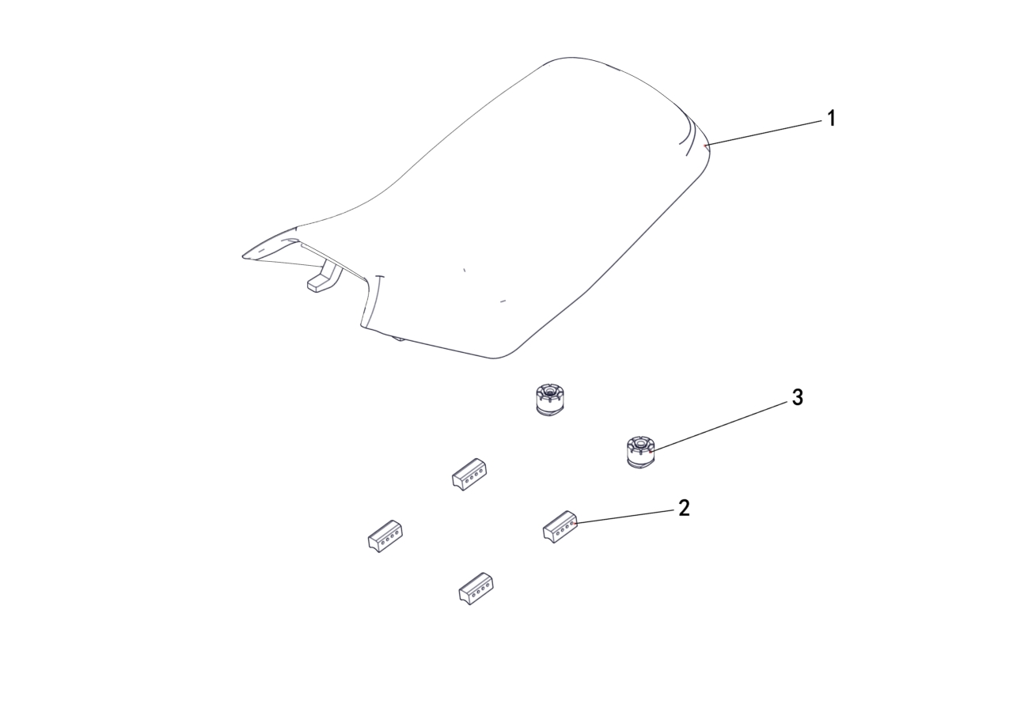

REF. No. | PART No. | DESCRIPTION | Q'TY | PIN | I/C | 图号 | 名称 | PRICE
1 | 62213 | SEAT | 1 |  |  | 4BS-24711-00 | 座垫组件 (蒙皮款) | $37.38
2 | 62214 | RUBBER, SEAT SETTING 2 | 4 |  |  | 4BS-24712-00 | 座垫缓冲块 | $0.80
3 | 70445 | RUBBER, SEAT SETTING 1 | 2 |  |  | 4AB-24701-00 | 坐垫安装垫圈 | $1.76 | LH520ATV.2-32

V04 (T3a T3b)
V04 FRAME |  |  |  |  |  |  |  | BACK
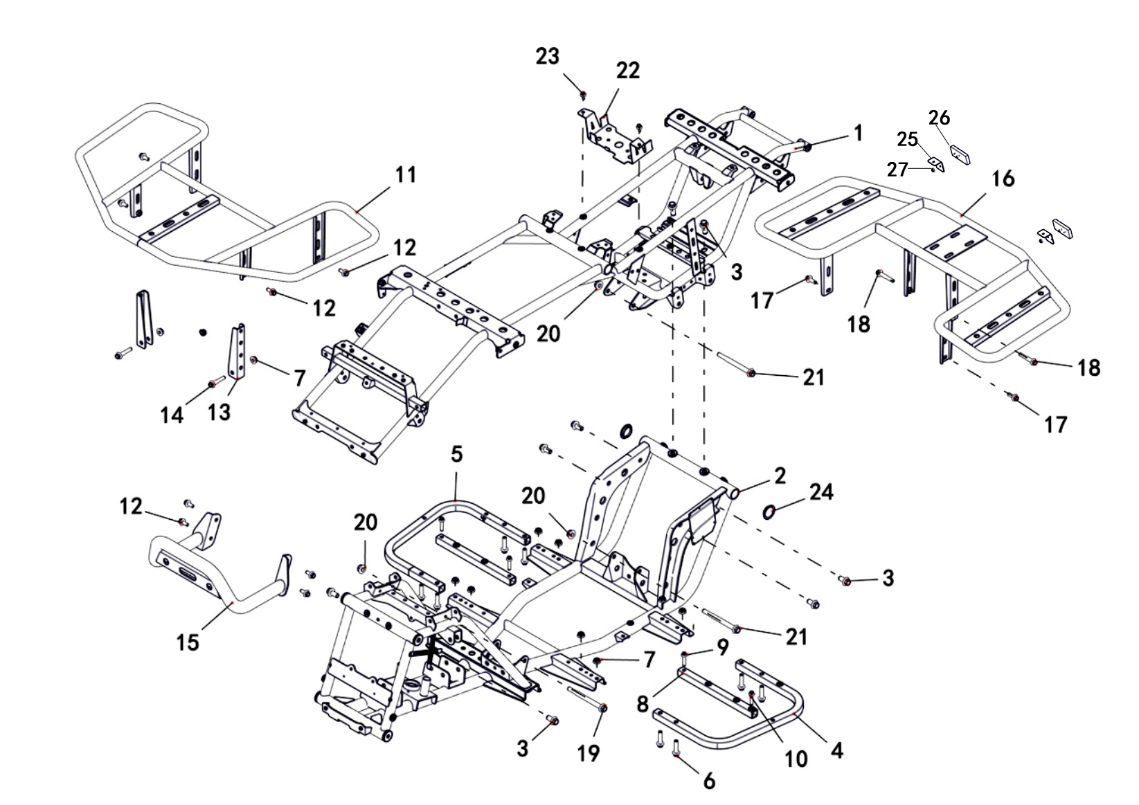

REF. No. | PART No. | DESCRIPTION | Q'TY | PIN | I/C | 图号 | 名称 | PRICE
1 | 62215 | FRAME, UPPER | 1 |  |  | 4BS-21110-00 | 上部车架焊接组件 | $89.00
1 | 63058 | FRAME, UPPER (ELECTROPHORETIC) | 1 |  |  | 4BS-21110-20 | 上部车架焊接组件 (电泳) | $112.10 | 230203增加
2 | 62216 | FRAME, LOWER | 1 |  |  | 4BS-21111-00 | 下部车架焊接组件 | $89.00
2 | 63059 | FRAME, LOWER (ELECTROPHORETIC) | 1 |  |  | 4BS-21111-20 | 下部车架焊接组件 (电泳) | $112.10 | 230203增加
3 | 11789 | BOLT M10X20 | 8 |  |  | B12D81020A | 螺栓M10X1.25X20 | $0.18 |  | GB/T16674.2
4 | 62217 | FOOTREST WELD ASSEMBLY LEFT | 1 |  |  | 4BS-21201-00 | 脚踏板左支撑弯管 | $11.13
5 | 62218 | FOOTREST WELD ASSEMBLY RIGHT | 1 |  |  | 4BS-21202-00 | 脚踏板右支撑弯管 | $11.13
6 | 11030 | BOLT M8X1.25X35 | 8 |  |  | B11A30835R | 螺栓M8X35 | $0.16 |  | GB/T16674.1
7 | 10882 | NUT M8 | 10 |  |  | B51F30800R | 螺母M8 | $0.11 |  | GB/T6187
8 | 62219 | PEDAL SUPPORT PULL TUBE | 2 |  |  | 4BS-21203-00 | 脚踏板支撑拉管 | $5.79
9 | 11495 | BOLT M6X16 | 2 |  |  | B11A30616R | 螺栓M6X16 | $0.11 |  | GB/T16674.1
10 | 11496 | BOLT M6X30 | 2 |  |  | B11A30630R | 螺栓M6X30 | $0.06 |  | GB/T16674.1
11 | 62400 | FORMER GUARD BAR, BLACK | 1 |  |  | 4BS-78304-00-1R | 前货架组件 (黑色) | $21.81 | 20220425改
11 | 62221 | FORMER GUARD BAR, RED | 1 |  |  | 4BS-78304-00-2L | 前货架组件 (红色) | $20.03
11 | 62222 | FORMER GUARD BAR, GREEN | 1 |  |  | 4BS-78304-00-5H | 前货架组件 (绿色) | $20.47
12 | 11236 | BOLT M8X16 | 8 |  |  | B11A40816R | 螺栓M8X16 | $0.11 |  | GB/T16674.1
13 | 62401 | BRACKET, FORMER GUARD BAR, BLACK | 2 |  |  | 4BS-78308-00-1R | 前货架转接支架 (黑色) | $5.70 | 20220425改
13 | 62224 | BRACKET, FORMER GUARD BAR, RED | 2 |  |  | 4BS-78308-00-2L | 前货架转接支架 (红色) | $2.45
13 | 62225 | BRACKET, FORMER GUARD BAR, GREEN | 2 |  |  | 4BS-78308-00-5H | 前货架转接支架 (绿色) | $2.89
14 | 11045 | BOLT M8X40 | 2 |  |  | B11A30840R | 螺栓M8X40 | $0.11 |  | GB/T16674.1
15 | 62402 | FRONT BUMPER, BLACK | 1 |  |  | 4BS-78306-00-1R | 前保险杠焊接组件 (T3) (黑色) | $11.48 | 20220425改
15 | 62227 | FRONT BUMPER, RED | 1 |  |  | 4BS-78306-00-2L | 前保险杠焊接组件 (T3) (红色) | $10.24
15 | 62228 | FRONT BUMPER, GREEN | 1 |  |  | 4BS-78306-00-5H | 前保险杠焊接组件 (T3) (绿色) | $10.68
16 | 62403 | REAR RACK, BLACK | 1 |  |  | 4BS-78305-00-1R | 后货架组件 (黑色) | $26.70 | 20220425改
16 | 62230 | REAR RACK, RED | 1 |  |  | 4BS-78305-00-2L | 后货架组件 (红色) | $24.48
16 | 62231 | REAR RACK, GREEN | 1 |  |  | 4BS-78305-00-5H | 后货架组件 (绿色) | $25.37
17 | 10783 | BOLT M8X20 | 2 |  |  | B11A30820R | 螺栓M8X20 | $0.10 |  | GB/T16674.1
18 | 11101 | BOLT M8X45 | 2 |  |  | B11A30845R | 螺栓M8X45 | $0.11 |  | GB/T16674.1
19 | 11790 | BOLT M10X1.25X115 | 1 |  |  | B12D310U5A | 螺栓M10X1.25X115 | $0.69 |  | GB/T16674.2
20 | 11287 | NUT M10X1.25 | 3 |  |  | B52F31000A | 螺母M10X1.25 | $0.10 |  | GB/T6187
21 | 11050 | BOLT M10X1.25X110 | 2 |  |  | B12C310U0A | 螺栓M10X1.25X110 | $0.69 |  | GB/T16674.2
22 | 37271 | MOUNTING BRACKET FOR ELECTRICAL PARTS | 1 |  |  | 4BR-211E1-00 | 电器件安装支架 | $5.60
23 | 10140B | BOLT M6X12 | 2 |  |  | B11A30612R | 螺栓 M6X12 | $0.11 |  | GB/T16674.1
24 | 48073 | PLUG | 2 |  |  | 4CZ-22108-00 | 后下A臂堵盖 | $0.31
25 | 62379 | REFLECTOR BRACKET | 2 |  |  | 4BS-22502-00 | 后反射器安装支架 | $5.34
26 | 48627 | REAR REFLECTOR | 2 |  |  | 4CZ-85101-00 | 后反射器 | $0.88
27 | 11563 | NUT M5 | 2 |  |  | B51F30500R | 螺母M5 | $0.08

V05 (T3b)
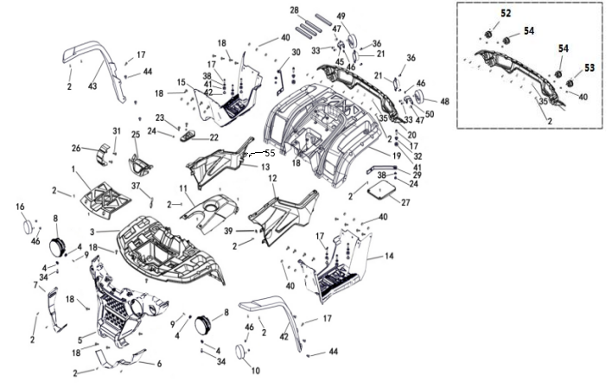
V05 FENDER |  |  |  |  |  |  |  | BACK
 |  |  |  |  |  |  |  |  |  | 20231228改图
 |  |  |  |  |  |  |  |  |  | 20240614改图

REF. No. | PART No. | DESCRIPTION | Q'TY | PIN | I/C | 图号 | 名称 | PRICE
1 | 367961f | FRONT TOOL BOX COVER (BLACK) | 1 |  |  | 4BH-28301-00-1F | 前盖板 (黑色) | $3.73
2 | 47789 | SCREW M5X16 | 51 |  |  | 4FJ-24830-00 | 花型平圆头自攻螺钉M5X16 | $0.10
3 | 367971f | FRONT COVER (BLACK) | 1 |  |  | 4BH-28302-00-1F | 前面板 (黑色) | $22.97
4 | 11812 | WASHER 5 | 4 |  |  | B617305000 | 垫圈5 | $0.10 |  | 20220524改
5 | 62389 | FRONT VENTILATION GRID | 1 |  |  | 4BS-28306-00 | 前通风栅 (T类) | $17.80
6 | 623902G | LEFT FRONT HEADLIGHT FRAME (RED) | 1 |  |  | 4BS-28304-00-2G | 左前大灯框 (T类) (红色) | $1.56
6 | 623906F | LEFT FRONT HEADLIGHT FRAME (WHITE) | 1 |  |  | 4BS-28304-00-6F | 左前大灯框 (T类) (白色) | $1.56
6 | 623905B | LEFT FRONT HEADLIGHT FRAME (GREEN) | 1 |  |  | 4BS-28304-00-5B | 左前大灯框 (T类) (军绿) | $1.56
6 | 623901F | LEFT FRONT HEADLIGHT FRAME (BLACK) | 1 |  |  | 4BS-28304-00-1F | 左前大灯框 (T类) (黑色) | $1.56
6 | 623902M | LEFT FRONT HEADLIGHT FRAME (PAINTING RED) | 1 |  |  | 4BS-28304-00-2M | 前左大灯外框 (T类) (油漆 红色) | $4.40 | NEW ADDED | 20250514新增
6 | 623903J | LEFT FRONT HEADLIGHT FRAME (PAINTING BLUE) | 1 |  |  | 4BS-28304-00-3J | 前左大灯外框 (T类) (油漆 蓝色) | $4.40 | NEW ADDED | 20250514新增
6 | 623901N | LEFT FRONT HEADLIGHT FRAME (PAINTING BLACK) | 1 |  |  | 4BS-28304-00-1N | 前左大灯外框 (T类) (油漆 黑色) | $4.40 | NEW ADDED | 20250514新增
6 | 623904M | LEFT FRONT HEADLIGHT FRAME (PAINTING SAND) | 1 |  |  | 4BS-28304-00-4M | 前左大灯外框 (T类) (油漆 沙漠黄) | $4.40 | NEW ADDED | 20250514新增
6 | 623909A | LEFT FRONT HEADLIGHT FRAME (PAINTING GRAY) | 1 |  |  | 4BS-28304-00-9A | 前左大灯外框 (T类) (油漆 水泥灰) | $4.40 | NEW ADDED | 20250514新增
6 | 623907F | LEFT FRONT HEADLIGHT FRAME (CONCEAL CAMOUFLAGE) | 1 |  |  | 4BS-28304-00-7F | 前左大灯外框 (T类) (CONCEAL迷彩) | $10.10 | NEW ADDED | 20250514新增
6 | 623904Q | LEFT FRONT HEADLIGHT FRAME (PAINTING ORANGE) | 1 |  |  | 4BS-28304-00-4Q | 前左大灯外框 (T类) (油漆 橙色) | $4.40 | NEW ADDED | 20250514新增
7 | 623912G | RIGHT FRONT HEADLIGHT FRAME (RED) | 1 |  |  | 4BS-28305-00-2G | 右前大灯框 (T类) (红色) | $1.56
...

V06
V06 SHOCK ABSORBER FRONT |  |  |  |  |  |  |  | BACK
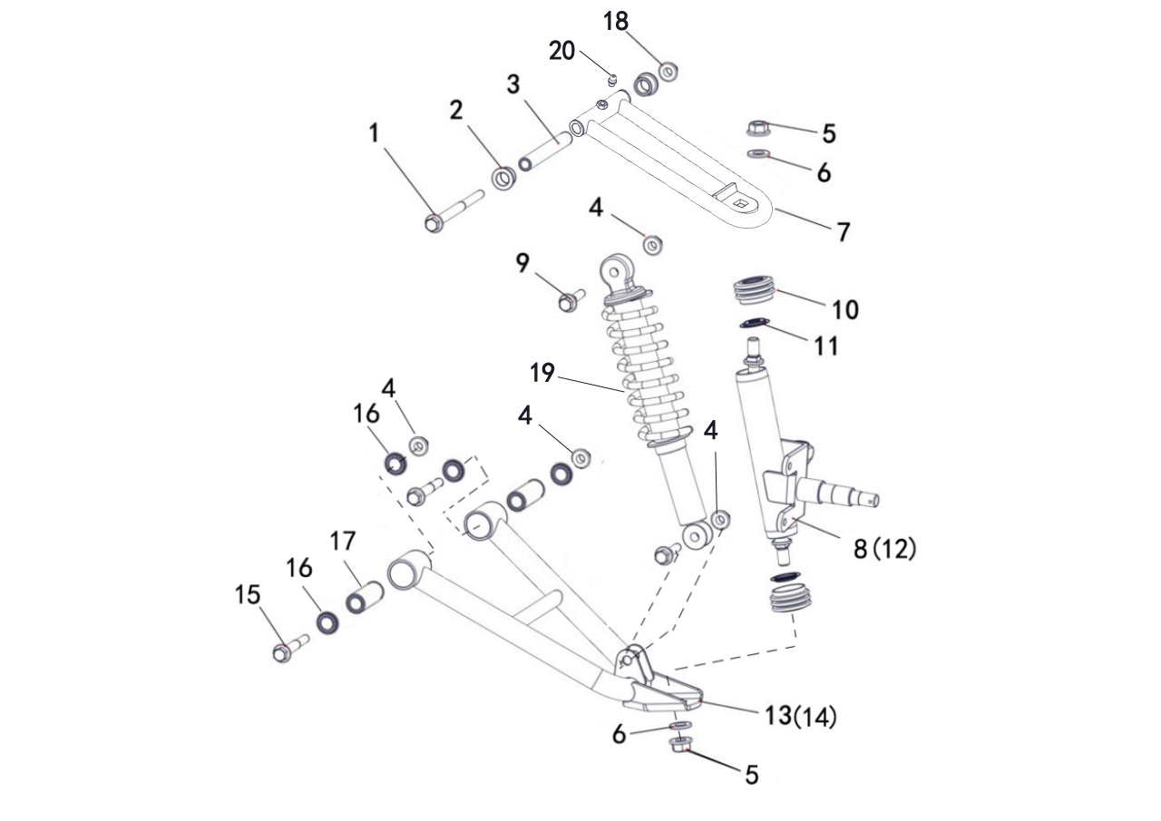

REF. No. | PART No. | DESCRIPTION | Q'TY | PIN | I/C | 图号 | 名称 | PRICE
1 | 56027 | BOLT | 2 |  |  | 4DF-23503-00 | 前上A臂安装轴 | $1.31
2 | 56028 | BUSHING | 4 |  |  | 4DF-23502-00 | 上摇架尼龙套 | $0.10
3 | 62242 | SHAFT PIVOT, LONG | 2 |  |  | 4BS-23501-00 | 上摇架衬管 | $1.02
4 | 11287 | NUT M10 | 8 |  |  | B52F31000A | 螺母M10X1.25 | $0.10
5 | 11480 | NUT M12 | 4 |  |  | B52F31200A | 螺母M12X1.25 | $0.16
6 | 11794 | WASHER 12 | 4 |  |  | B637312000 | 垫圈12 | $0.10
...

V07
V07 SHOCK ABSORBER REAR |  |  |  |  |  |  |  | BACK
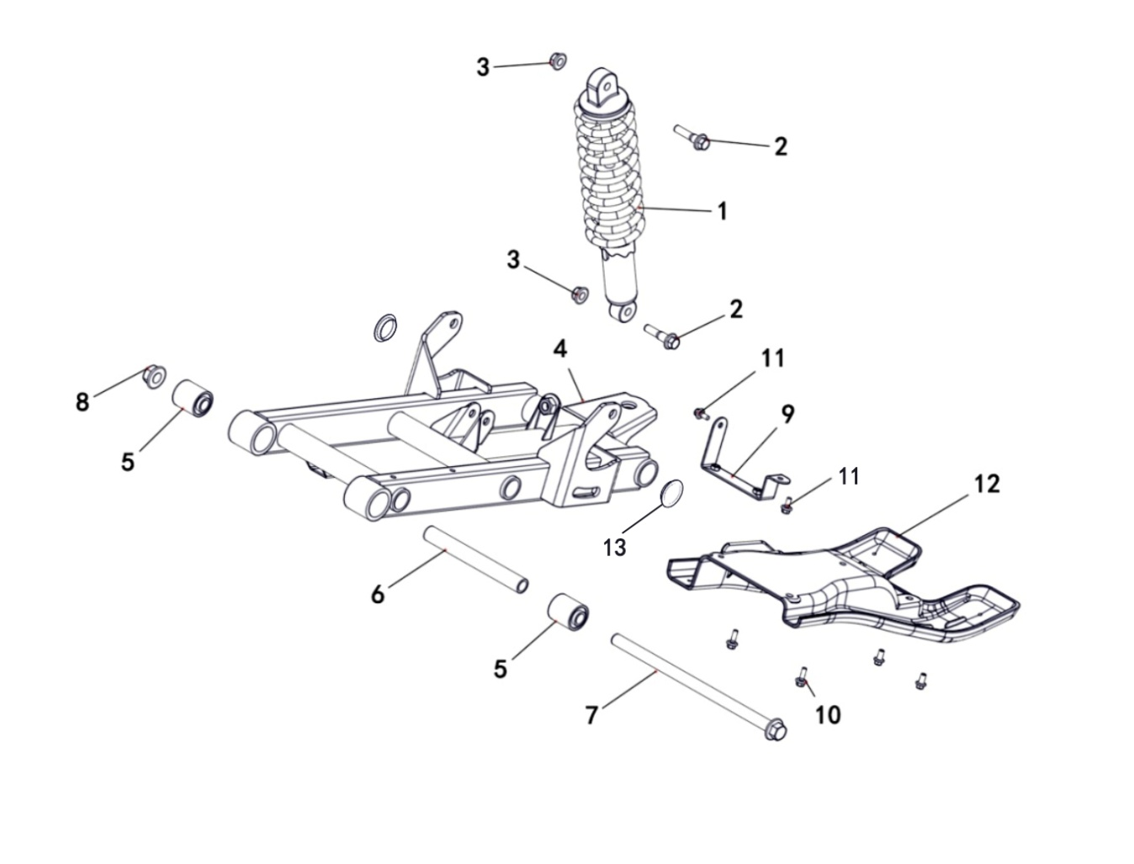

REF. No. | PART No. | DESCRIPTION | Q'TY | PIN | I/C | 图号 | 名称 | PRICE
1 | 62251 | SHOCK ABSORBER REAR, BLACK | 1 |  |  | 4BS-22110-00-1H | 后减震器组件 (黑色) | $27.59
2 | 11271 | BOLT M10X1.25X42 | 2 |  |  | B12D31042A | 螺栓M10X1.25X42 | $0.10
3 | 11287 | NUT M10X1.25 | 2 |  |  | B52F31000A | 螺母M10X1.25 | $0.10
4 | 37307 | SWINGARM ASSY | 1 |  |  | 4BR-46110-00 | 后摇架焊接组件 | $52.22
5 | 37312 | SHAKER CUSHION SLEEVE | 2 |  |  | 4BR-46130-00 | 摇架缓冲套 | $2.14
6 | 37308 | SWING ARM PIVOT BUSHING | 1 |  |  | 4BR-46111-10 | 摇架中间套 | $2.89
7 | 36819 | SWING ARM PIVOT | 1 |  |  | 4BH-46116-00 | 摇架轴 | $2.76
8 | 11577 | NUT M14X1.5 | 1 |  |  | B52F31400F | 螺母M14X1.5 | $0.20
...

V08
V08 WHEEL FRONT |  |  |  |  |  |  |  | BACK
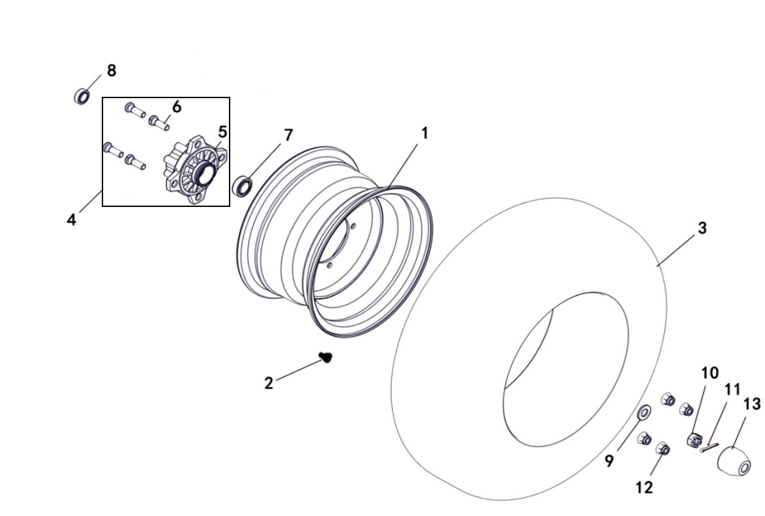
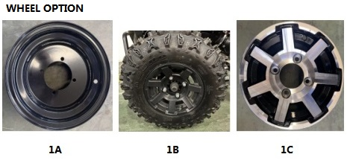

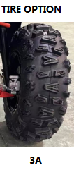

REF. No. | PART No. | DESCRIPTION | Q'TY | PIN | I/C | 图号 | 名称 | PRICE
1A | 37282B | IRON WHEEL, FRONT, BLACK | 2 |  |  | 4BR-25181-00-1J | 前轮辋 (铁) (黑色) | $25.47 | REPLACED BY 37362 | 20220422改
1A | 37362 | IRON WHEEL, FRONT, BLACK | 2 |  |  | 4BR-25181-10-1J | 前轮辋 (铁) (黑色) | $25.47 | CORRECT PLM | 20250124改图号
1B | 62254 | ALUMINUM WHEEL, FRONT, BLACK | 2 |  |  | 4BS-25181-00-1J | 前轮辋 (铝) (黑色) | $68.98 |  | 20220422改
1C | 62404 | ALUMINUM WHEEL, FRONT, POLISHING | 2 |  |  | 4BS-25182-00 | 前轮辋 (铝) (抛光铝轮) | $61.89 |  | 20220422改
2 | 20807a | VALVE, RIM | 2 |  |  | B972000001 | 气门嘴Z2-01-1 | $0.29 |  |  | GB12836.1
3A | 62257 | TIRE FRONT (DURO) | 2 |  |  | 4BH-25114-10 | 前轮胎AT21×7-10 (华丰 小A纹) | $42.91 |  | 20220422改
4 | 56050 | HUB FOR STEEL WHEEL ASSY | 2 |  |  | 4DF-25120-00 | 前轮毂组件 | $21.36
7 | 11773 | BEARING 6202RZ | 2 |  |  | BCC0100132 | 轴承6202RZ | $2.50 |  |  | GB/T276
8 | 11774 | BEARING 6204RZ | 2 |  |  | BCC0100133 | 轴承6204RZ | $2.70 |  |  | GB/T276
...

V09
V09 WHEEL REAR |  |  |  |  |  |  |  | BACK
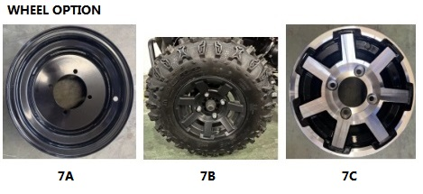
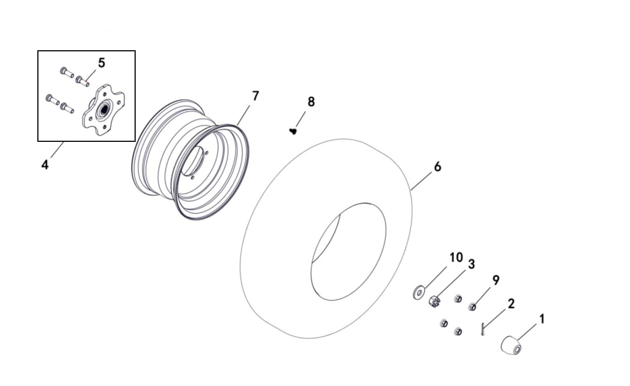

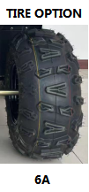

REF. No. | PART No. | DESCRIPTION | Q'TY | PIN | I/C | 图号 | 名称 | PRICE
1 | 56049 | CAP, WHEEL SUB-ASSY | 2 |  |  | 4DF-25112-00 | 前轮护套 | $0.76 |  | 20220520更改英文名称
2 | 10038 | COTTER PIN 4X28 | 2 |  |  | B377204280 | 开口销 4X28 | $0.06 |  |  | GB/T91
3 | 56055 | SLOTTED NUT M16X1.5 | 2 |  |  | B5FF31600F | 螺母M16X1.5 | $1.57 |  |  | GB/T9458.2镀黑锌
4 | 37283 | HUB REAR | 2 |  |  | 4BR-25361-00 | 后轮毂组件 | $15.47
6A | 62258 | TIRE REAR (DURO) | 2 |  |  | 4BH-25312-10 | 后轮胎AT22×10-10 (华丰 小A纹) | $61.68 |  | 20220425改
7A | 37284B | IRON WHEEL, REAR, BLACK | 2 |  |  | 4BR-25381-00-1J | 后轮辋 (铁) (黑色) | $31.13 | REPLACED BY 37363 | 20220425改
7A | 37363 | IRON WHEEL, REAR, BLACK | 2 |  |  | 4BR-25381-10-1J | 后轮辋 (铁) (黑色) | $31.13 | CORRECT PLM | 20250124改图号
7B | 62259 | ALUMINUM WHEEL, REAR, BLACK | 2 |  |  | 4BS-25381-00-1J | 后轮辋 (铝) (黑色) | $80.10 |  | 20220425改
7C | 62405 | ALUMINUM WHEEL, REAR, POLISHING | 2 |  |  | 4BS-25382-00 | 后轮辋 (铝) (抛光铝轮) | $72.92 |  | 20220425改
...

V10
V10 SHIFT ROD |  |  |  |  |  |  |  | BACK
...
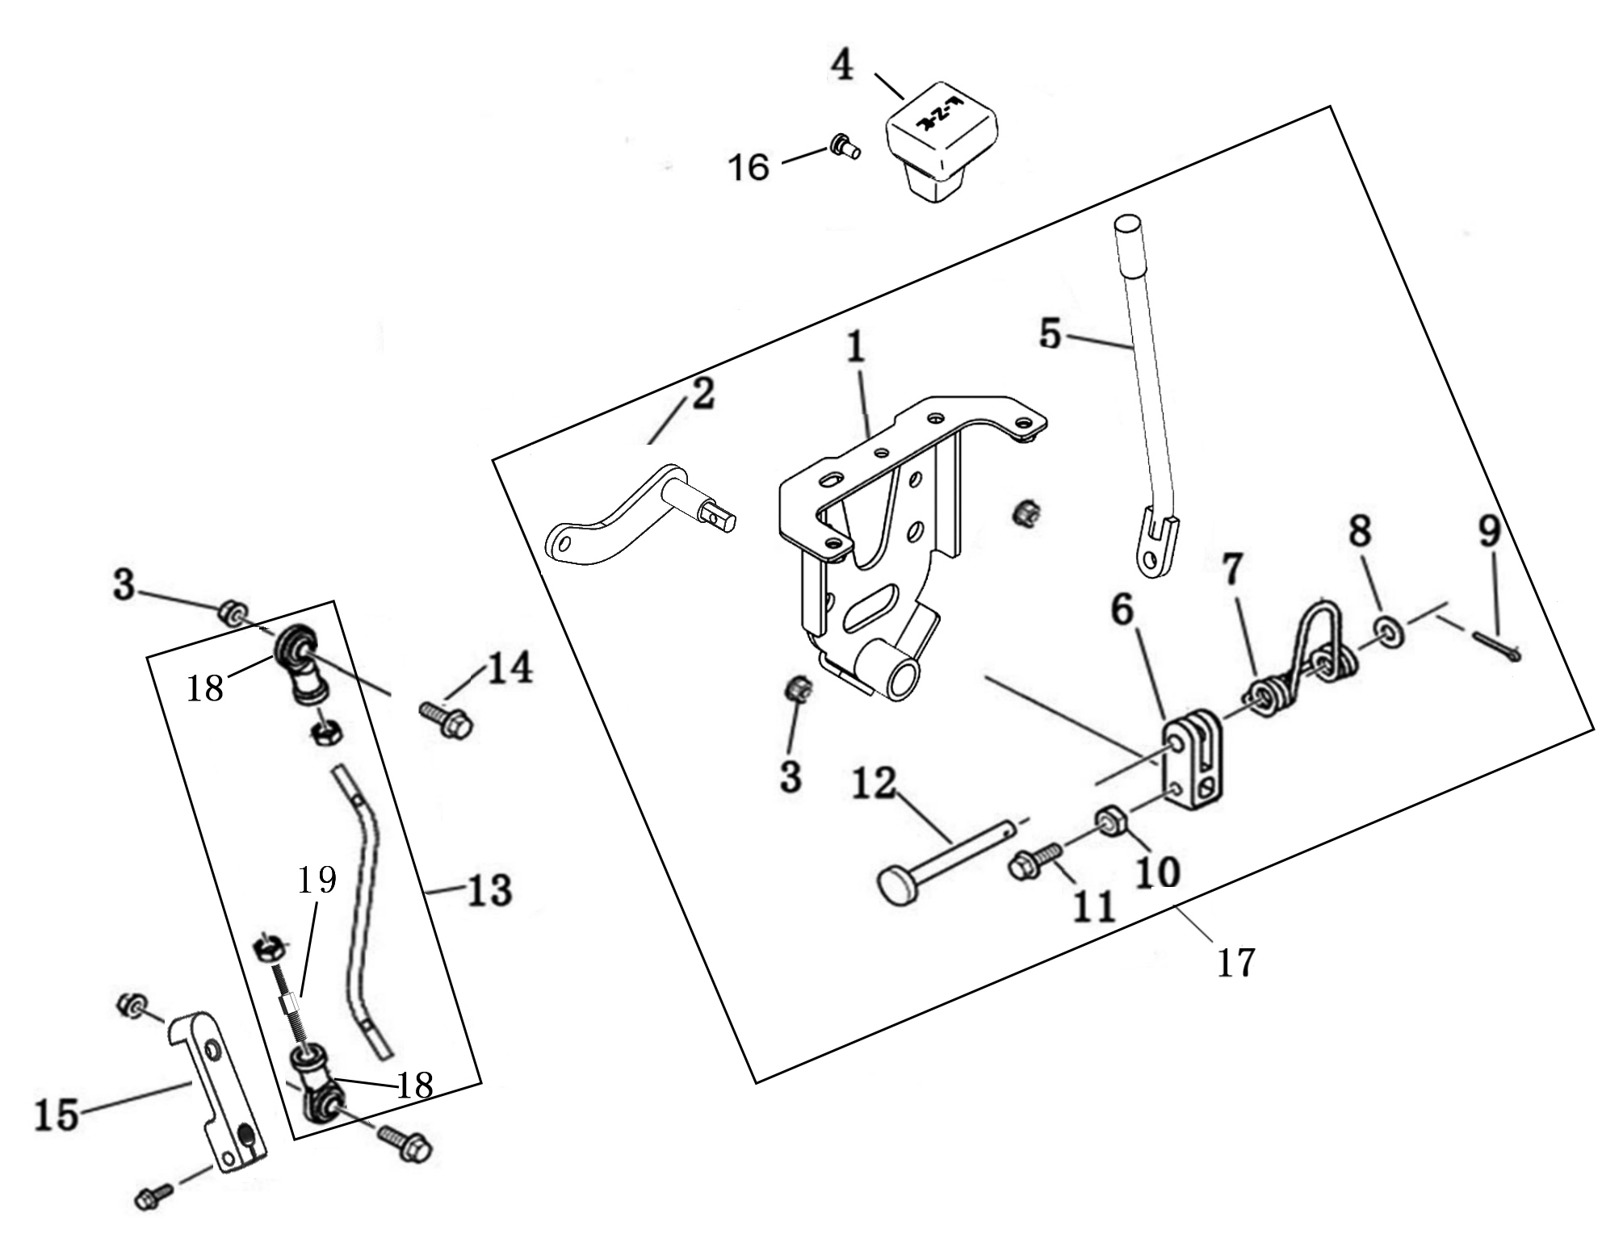

REF. No. | PART No. | DESCRIPTION | Q'TY | PIN | I/C | 图号 | 名称 | PRICE
3 | 10882 | NUT M8 | 4 |  |  | B51F30800R | 螺母M8 | $0.11
4 | 56065 | KNOB | 1 |  |  | 4DF-18104-00 | 换挡杆手柄 | $3.03
13 | 62264 | SHIFTER MOUNTING ROD | 1 |  |  | 4BS-18115-00 | 换挡拉杆组件 | $6.94
14 | 10060 | BOLT M8X28 | 2 |  |  | B11A30828R | 螺栓M8X28 | $0.10
15 | 62433 | SHIFTER STICK | 2 |  |  | 1EF-18301-00 | 换档拨杆 | $4.01
16 | 73072 | BOLT M5X10 | 1 |  |  | 4CA-26111-00 | 装饰盖安装螺钉M5X10 | $0.06
17 | 62434 | SHIFT LEVER ASSY | 1 |  |  | 4BR-18320-00 | 换挡杆组件 | $20.03 | REPLACED BY 62406
17 | 62406 | SHIFT LEVER ASSY | 1 |  |  | 4BS-18320-00 | 换挡杆组件 | $20.03 | CORRECT PLM
...

V13 (T3b CE)
V13 REAR AXLE |  |  |  |  |  |  |  | BACK
...
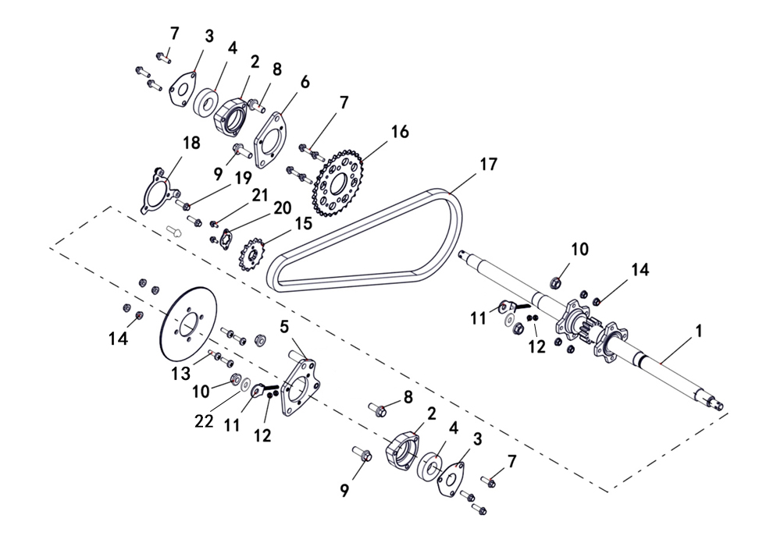

REF. No. | PART No. | DESCRIPTION | Q'TY | PIN | I/C | 图号 | 名称 | PRICE
1 | 62265 | REAR AXLE | 1 |  |  | 4BS-23801-00 | 后轴 | $87.78
2 | 56092 | HOUSING-AXLE BEARING | 2 |  |  | 4DF-23805-00 | 右轴承座 | $6.23
3 | 56097 | PLATE-RETAINER, BEARING | 2 |  |  | 4DF-23806-00 | 轴承座封盖 | $2.23
4 | 11797 | BEARING 6206-2RS | 2 |  |  | BCC0100130 | 轴承6206-2RZ | $3.25
5 | 37310 | BRACKET, HOUSING-AXLE BEARING, L | 1 |  |  | 4BR-46122-00 | 轴承座安装板 (左) | $3.78
6 | 37311 | BRACKET, HOUSING-AXLE BEARING, R | 1 |  |  | 4BR-46123-00 | 轴承座安装板 (右) | $6.45
7 | 11798 | BOLT M8×30 | 10 |  |  | B13A40830R | 螺栓M8X30 | $0.16
8 | 11727 | BOLT M12×30 | 2 |  |  | B12D31230A | 螺栓M12X1.25X30 | $0.18 | REPLACED BY 12021
...

V18 (T3b)
V18 ELECTRICAL SYSTEM |  |  |  |  |  |  |  | BACK
...
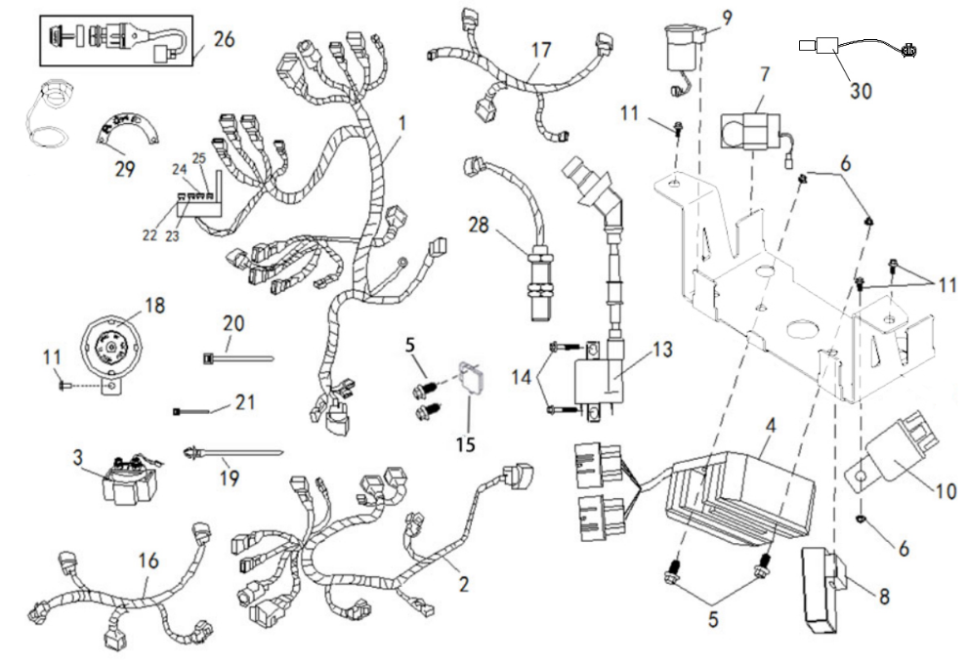
...
REF. No. | PART No. | DESCRIPTION | Q'TY | PIN | I/C | 图号 | 名称 | PRICE
1 | 62270 | WIRING HARNESS (1580mm) | 1 |  |  | 4BS-82590-00 | 电缆总成 (长度1580mm) | $53.40
2 | 62271 | WIRING HARNESS FOR EFI (1320mm) MATCH WITH SE08 ECU (ONE SOCKET) | 1 |  |  | 4BS-82500-00 | 电喷小电缆 (长度1320mm) 配套使用SE08 ECU | $35.60 | MODIFY DESCRIPTION
2 | 62470 | WIRING HARNESS FOR EFI MATCH WITH MT05.2 AND MT05.d ECU (TWO SOCKETS) | 1 |  |  | 4BS-82500-10 | 电喷小电缆 (适配MT05.2和MT05.d ECU) | $35.60 | NEW ADDED
3 | 29143 | STARTING RELAY | 1 |  |  | 3AT-61940-00 | 起动继电器 | $3.54
4 | 27747 | RECTIFIER REGULATOR | 1 |  |  | 4AD-81960-00 | 整流稳压器 | $10.25
5 | 11495 | BOLT M6×16 | 4 |  |  | B11A30616R | 螺栓M6X16 | $0.11
6 | 11233 | NUT M6 | 3 |  |  | B51F30600R | 螺母M6 | $0.10
...

V19
V19 BRAKING SYSTEM |  |  |  |  |  |  |  | BACK
...
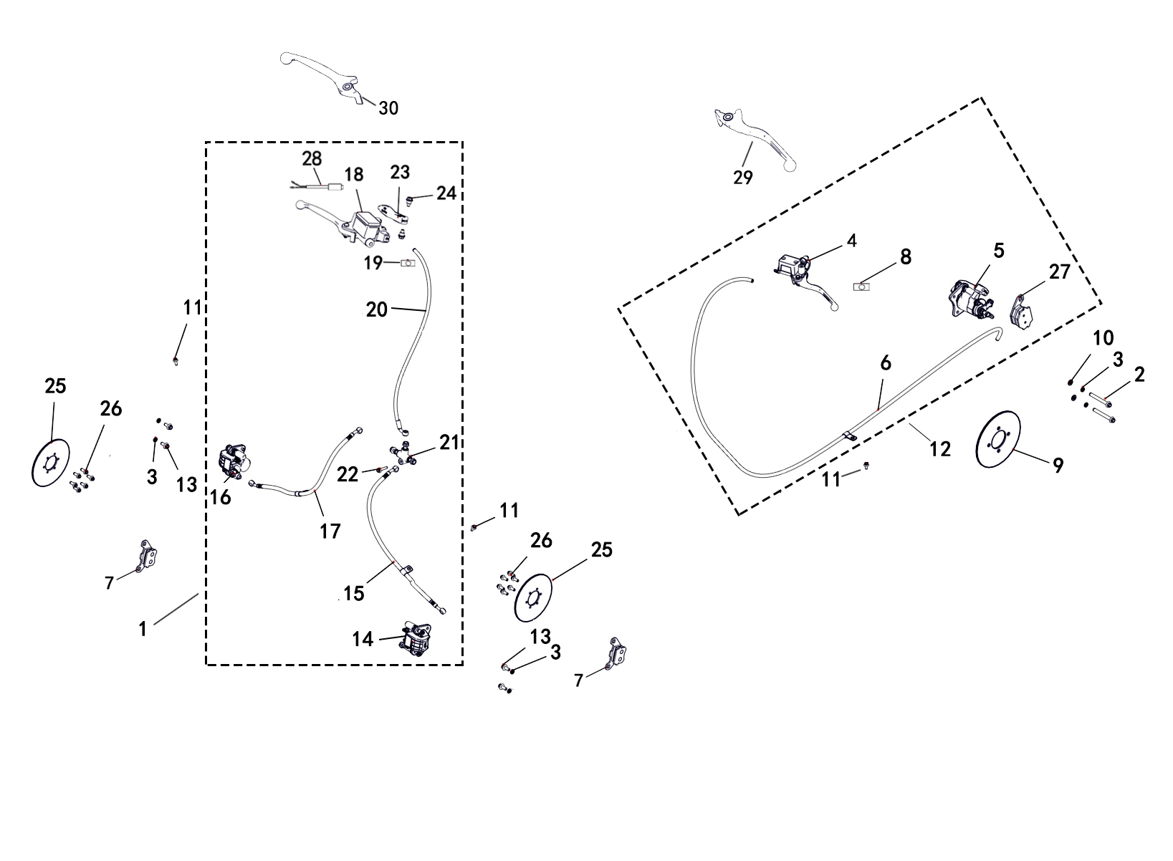

30 | PART No. | DESCRIPTION | Q'TY | PIN | I/C | 图号 | 名称 | PRICE
1 | 62278 | FRONT BRAKE ASSEMBLY | 1 |  |  | 4BS-25820-00 | 前制动总成 | $60.08
2 | 37306 | BOLT, PARKING CALIPER | 2 |  |  | 4BR-25850-00 | 驻车卡钳安装螺栓 | $0.49
3 | 10106 | SPRING WASHER 8 | 6 |  |  | B653308000 | 弹垫8 | $0.06
4 | 37288 | MASTER CYLINDER WITH BRAKE LEVER | 1 |  |  | 4BR-25812-00 | 总泵总成 | $12.46
5 | 37289 | BRAKE CALIPER, REAR | 1 |  |  | 4BR-25813-00 | 分泵总成 | $25.81
6 | 37290 | REAR BRAKE HOSE | 1 |  |  | 4BR-25814-00 | 制动软管总成 | $4.90
7 | 37291 | INSIDE AND OUTSIDE PAD, FRONT | 2 |  |  | 4BR-25815-00 | 内、外蹄片 | $4.90
8 | 37285 | BRAKE LIGHT SWITCH | 1 |  |  | 4BR-25801-00 | 刹车灯开关 | $0.89
9 | 37287 | REAR BRAKE DISC | 1 |  |  | 4BR-25811-00 | 后制动盘 | $4.90
...

V20 (T3a T3b)
V20 PARTS FOR T3 |  |  |  |  |  |  |  | BACK

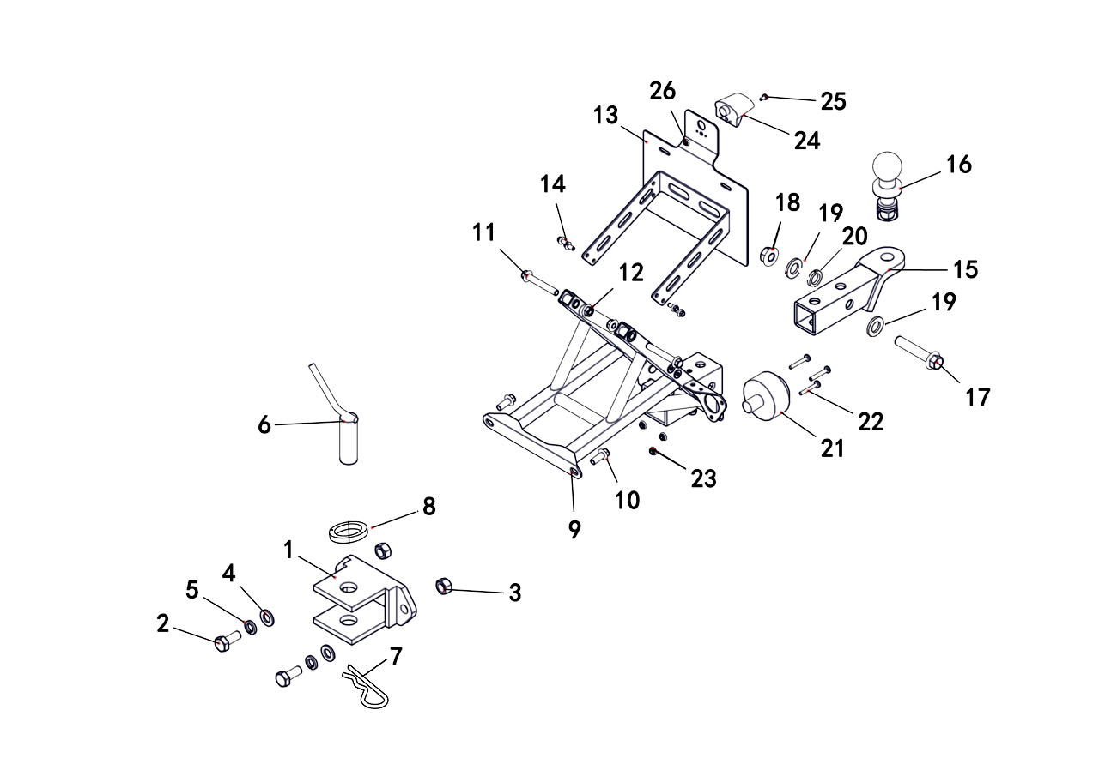

REF. No. | PART No. | DESCRIPTION | Q'TY | PIN | I/C | 图号 | 名称 | PRICE
1 | 36894 | FORMER HOLDER HOOK | 1 |  |  | 4TA-21971-00 | 前拖钩 | $16.00
2 | 11801 | BOLT M16X45 | 2 |  |  | B14A31645R | 螺栓M16X45 | $0.42
3 | 10874 | NUT M16 | 2 |  |  | B55F31600R | 螺母M16 | $0.31
4 | 11247 | WASHER1 6 | 2 |  |  | B637316000 | 垫圈16 | $0.06
5 | 27050 | WASHER SPRING 16 | 2 |  |  | B653316000 | 弹垫16 | $0.10
6 | 36895 | EX TRACTION PINS | 1 |  |  | 4TA-21972-00 | 前牵引销 | $2.95
7 | 10862 | R TYPE SPLIT PINS 6X115 | 1 |  |  | B9B2061150 | 弹性销6X115 | $0.67
...

V33
V33 MIRROR (OPTIONS) |  |  |  |  |  |  |  | BACK
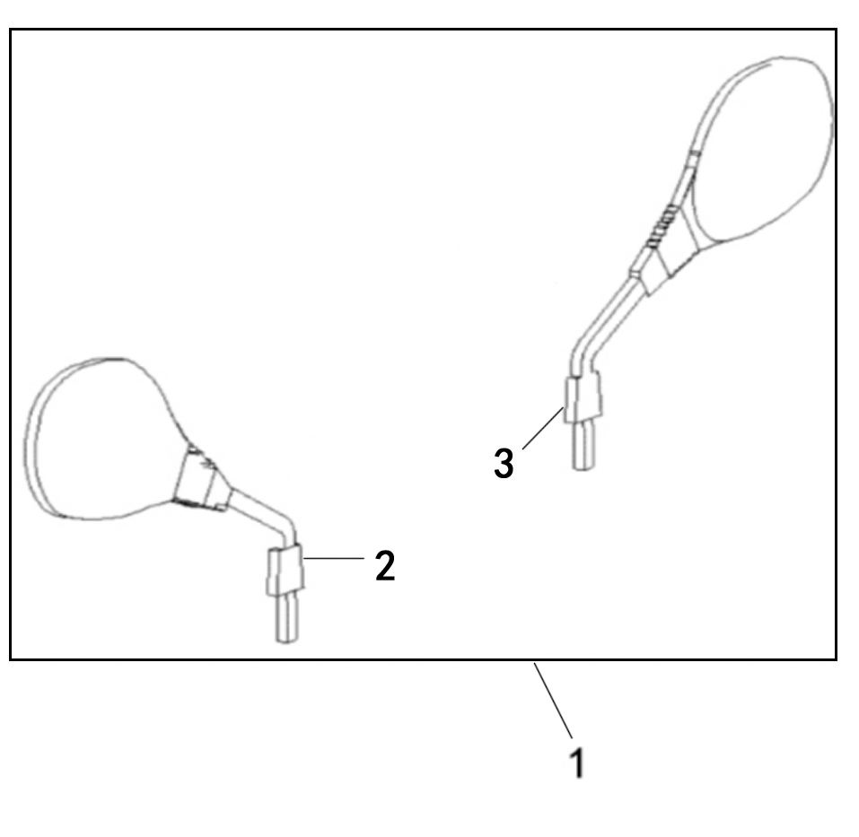
...
REF. No. | PART No. | DESCRIPTION | Q'TY | PIN | I/C | 图号 | 名称 | PRICE
1 | 62411 | MIRROR ASSY (E4-81R-000208) | 1 |  |  | 4BB-26290-10 | 后视镜总成 (E4-81R-000208) | $7.57

V33 SPEED LIMIT BRACKET (OPTIONS) |  |  |  |  |  |  |  | BACK

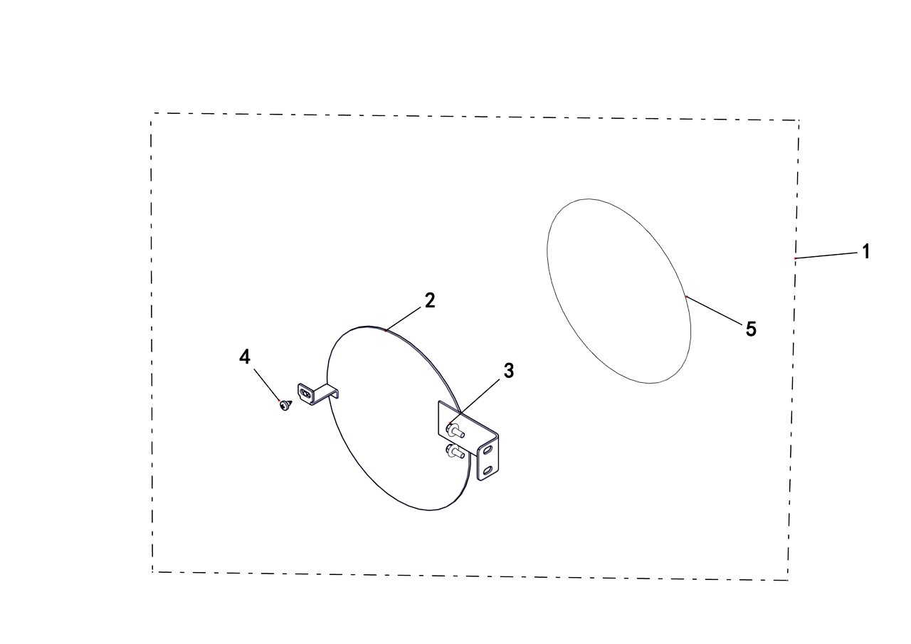

REF. No. | PART No. | DESCRIPTION | Q'TY | PIN | I/C | 图号 | 名称 | PRICE
1 | 62282 | SPEED LIMIT BRACKET ASSY | 1 |  |  | 4BS-22510-00 | 附件 限速牌组件 | $11.13
2 | 62283 | SPEED LIMIT BRACKET | 1 |  |  | 4BS-22511-00 | 限速牌支架 | $8.90
3 | 11495 | BOLT M6X16 | 2 |  |  | B11A30616R | 螺栓M6X16 | $0.11
4 | 47789 | SCREW M5×16 | 1 |  |  | 4FJ-24830-00 | 花型平圆头自攻螺钉M5X16 | $0.10
5 | 62284 | SPEED LIMIT DECAL (40) | 1 |  |  | 4BS-216T1-00 | 40限速贴花 | $2.50
5 | 62285 | SPEED LIMIT DECAL (50) | 1 |  |  | 4BS-216T2-00 | 50限速贴花 | $2.50

V33 BACKREST (OPTIONS) |  |  |  |  |  |  |  | BACK

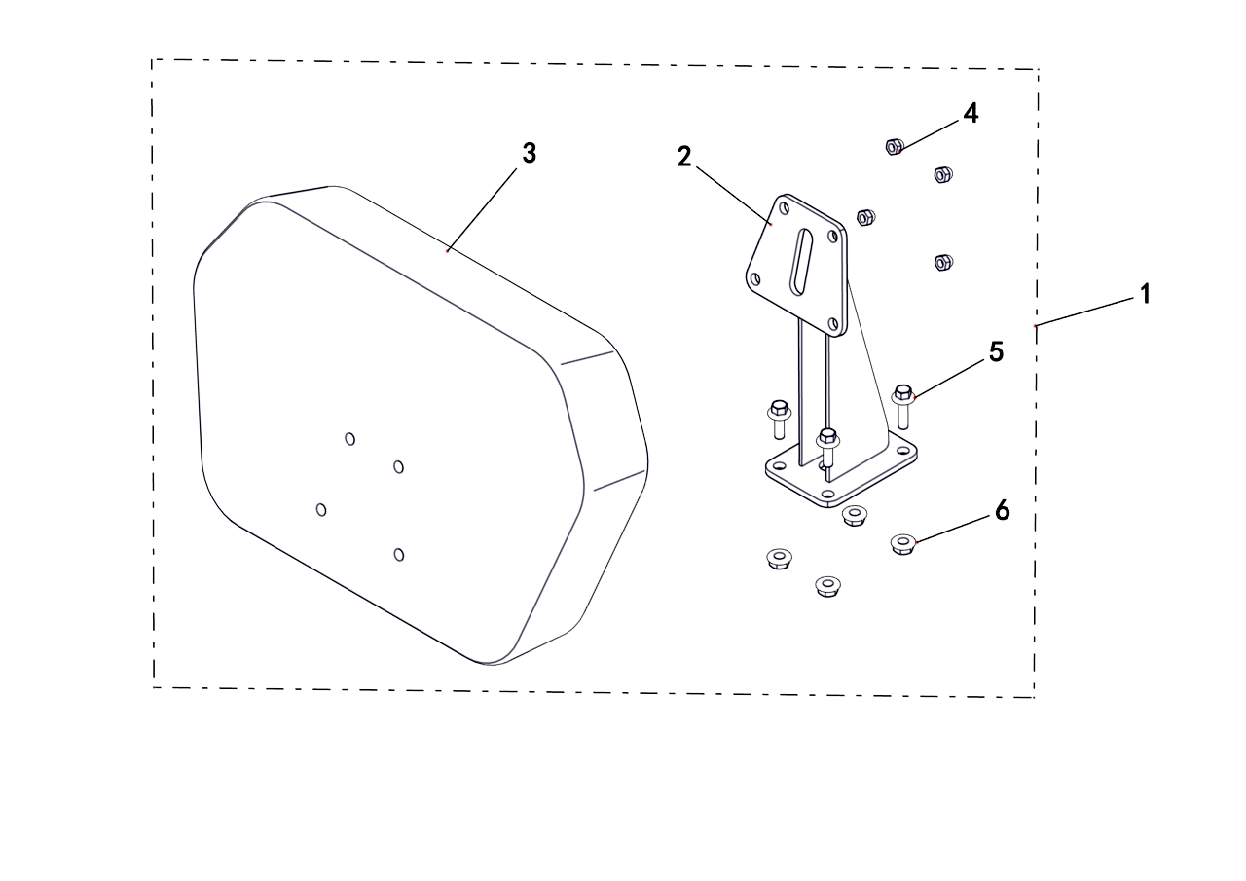

REF. No. | PART No. | DESCRIPTION | Q'TY | PIN | I/C | 图号 | 名称 | PRICE
1 | 62286 | BACKREST ASSY | 1 |  |  | 4BS-24710-00 | 附件 后靠背组件 | $23.59
2 | 62430 | REAR BACKREST WELD ASSEMBLY, BLACK | 1 |  |  | 4AV-24730-00-1H | 靠背支架 (黑色) | $11.13
3 | 35721 | BACKREST | 1 |  |  | 4AV-24830-10 | 靠背 (蒙皮款) | $8.34
4 | 10919 | NUT M8 | 4 |  |  | B5DF20800R | 螺母M8 | $0.10
5 | 10059 | BOLT M8X25 | 4 |  |  | B11A30825R | 螺栓M8X25 | $0.11
6 | 10882 | NUT M8 | 4 |  |  | B51F30800R | 螺母M8 | $0.11

V33 ELECTRIC HEATING GRIP (OPTIONS) |  |  |  |  |  |  |  | BACK
...
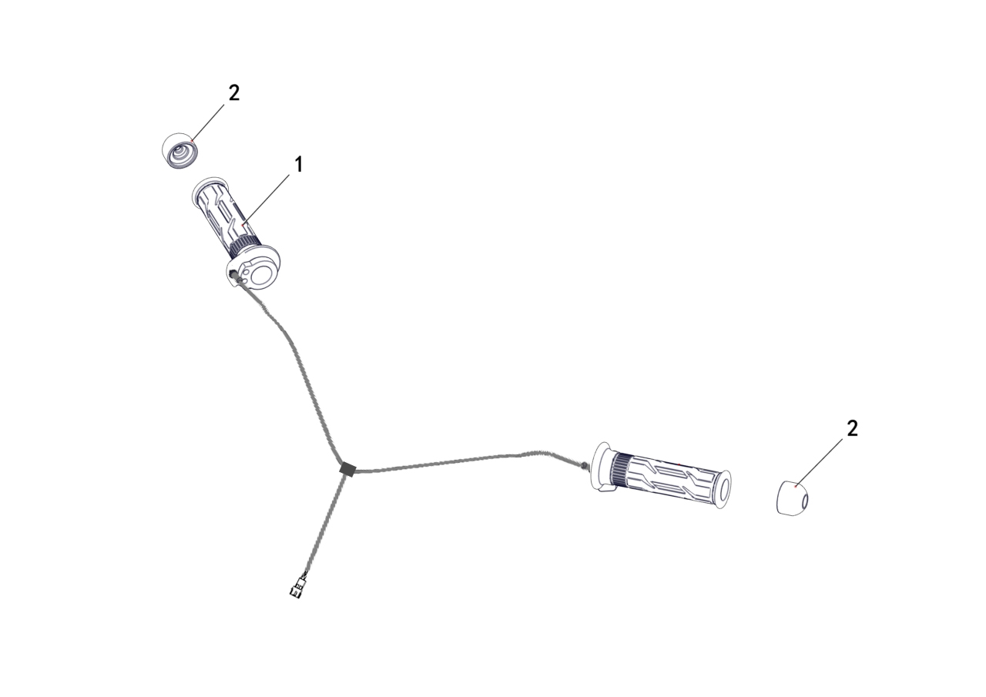

REF. No. | PART No. | DESCRIPTION | Q'TY | PIN | I/C | 图号 | 名称 | PRICE
1 | 62289 | ELECTRIC HEATING GRIP | 1 |  |  | 4BN-26240-10 | 电加热把手套组件 | $57.85
2 | 62290 | END CAP | 2 |  |  | 4BN-26202-00 | 方向把堵头组件 | $1.42

V33 FENDER (OPTIONS) |  |  |  |  |  |  |  | BACK
 |  |  |  |  |  |  |  |  | NEW ADDED

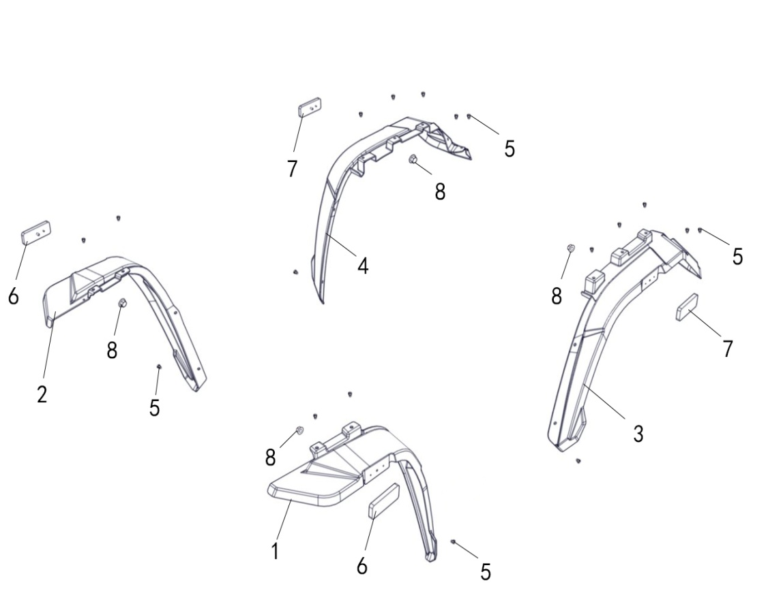

REF. No. | PART No. | DESCRIPTION | Q'TY | PIN | I/C | 图号 | 名称 | PRICE
1 | 62456 | FENDER, FL | 1 |  |  | 4BS-21511-00 | 前左挡泥板 | $2.93
2 | 62457 | FENDER, FR | 1 |  |  | 4BS-21512-00 | 前右挡泥板 | $2.93
3 | 62458 | FENDER, RL | 1 |  |  | 4BS-21611-00 | 后左挡泥板 | $2.93
4 | 62459 | FENDER, RR | 1 |  |  | 4BS-21612-00 | 后右挡泥板 | $2.93
5 | 48252 | RIVET | 18 |  |  | 4CZ-28355-00 | 膨胀螺钉 | $0.16
6 | 35760 | REFLECTOR | 2 |  |  | 3AV-85101-01 | 侧反射器 | $1.54
7 | 48627 | REAR REFLECTOR | 2 |  |  | 4CZ-85101-00 | 后反射器 | $0.88
8 | 11563 | NUT M5 | 4 |  |  | B51F30500R | 螺母M5 | $0.08

V33 ECU (OPTIONS) |  |  |  |  |  |  |  | BACK | NEW ADDED

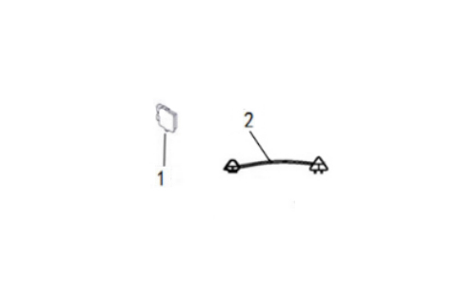

REF. No. | PART No. | DESCRIPTION | Q'TY | PIN | I/C | 图号 | 名称 | PRICE
1 | 85183 | ECU (MT05.d, SPEED LIMIT 40KM/H)) | 1 |  |  | 4BS-86000-51 | ECU (MT05.d, 限速40KM/H) | $76.25
2 | 62477 | SPEED SENSOR CONNECTING LINE | 1 |  |  | 4BS-82103-10 | 速度传感器过渡线

V34
V34 LINHAI BRAND STICKER (USED FOR RED PLASTIC PARTS) |  |  |  |  |  |  |  | BACK

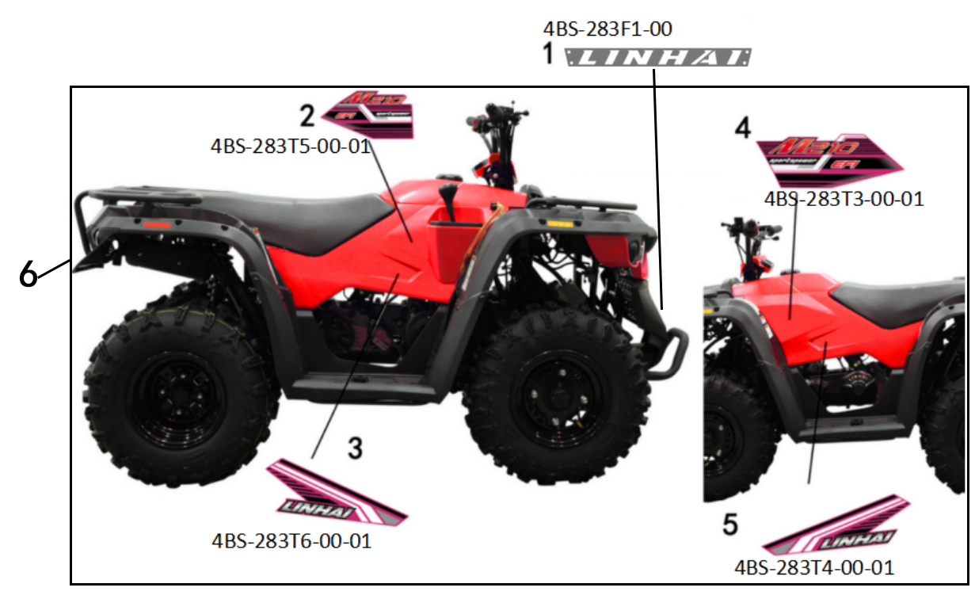

REF. No. | PART No. | DESCRIPTION | Q'TY | PIN | I/C | 图号 | 名称 | PRICE
1 | 62426 | ALUMINUM PLATE (LINHAI) | 1 |  |  | 4BS-283F1-00 | LINHAI前装饰板 | $4.09
6 | 62429 | STICKER SET (LINHAI BRAND, USED FOR RED PLASTIC PARTS) | 1 |  |  | 4BS-283TB-00 | M210一号装饰贴花组 (除LINHAI前装饰板) (非白色、非黑色塑料件配色) | $13.35

V34 LINHAI BRAND STICKER (USED FOR BLACK PLASTIC PARTS) |  |  |  |  |  |  |  | BACK

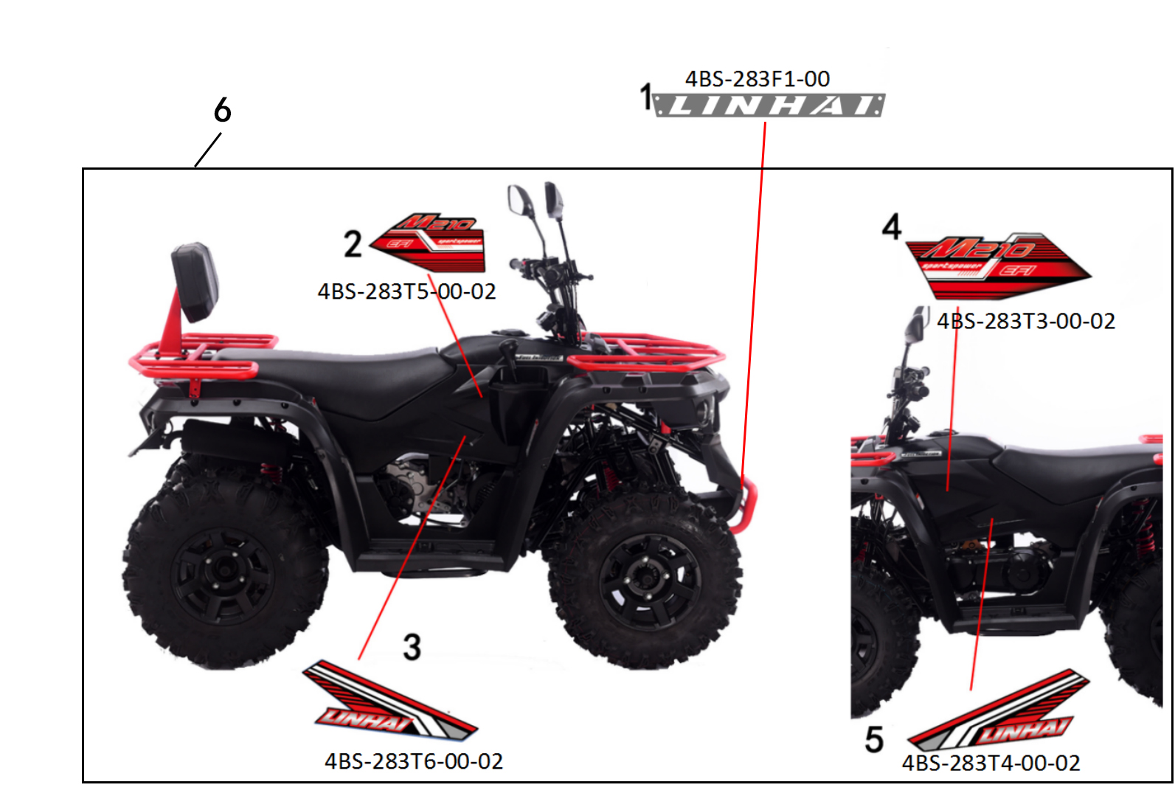

REF. No. | PART No. | DESCRIPTION | Q'TY | PIN | I/C | 图号 | 名称 | PRICE
1 | 62426 | ALUMINUM PLATE (LINHAI) | 1 |  |  | 4BS-283F1-00 | LINHAI前装饰板 | $4.09
6 | 62428 | STICKER SET (LINHAI BRAND, USED FOR BLACK PLASTIC PARTS) | 1 |  |  | 4BS-283TD-00 | M210二号装饰贴花组 (除LINHAI前装饰板) (黑色塑料件配色) | $13.35

V34 LINHAI BRAND STICKER (USED FOR WHITE PLASTIC PARTS) |  |  |  |  |  |  |  | BACK

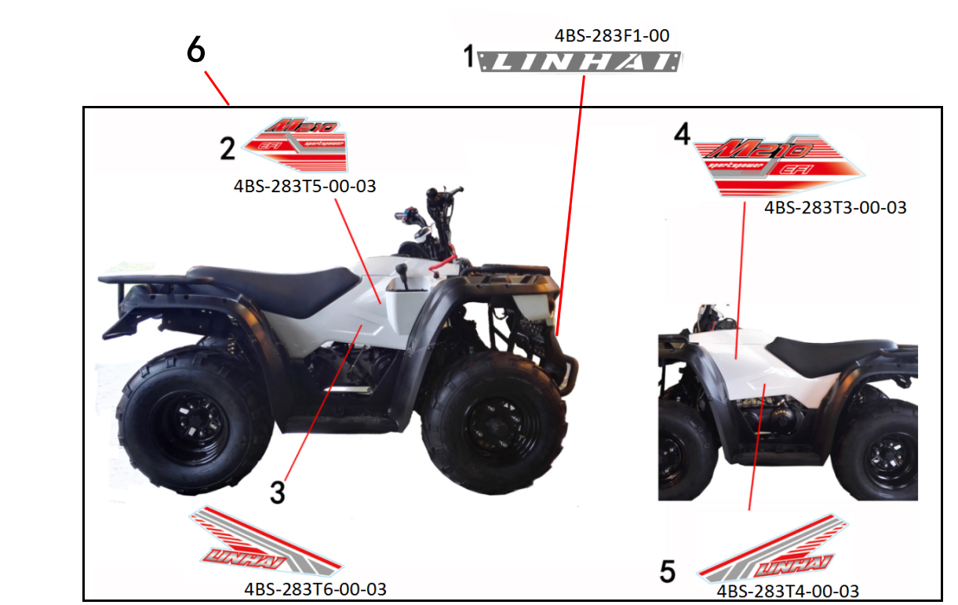

REF. No. | PART No. | DESCRIPTION | Q'TY | PIN | I/C | 图号 | 名称
1 | 62426 | ALUMINUM PLATE (LINHAI) | 1 |  |  | 4BS-283F1-00 | LINHAI前装饰板 | $4.09
6 | 62427 | STICKER SET (LINHAI BRAND, USED FOR WHITE PLASTIC PARTS) | 1 |  |  | 4BS-283TF-00 | M210三号装饰贴花组 (除LINHAI前装饰板) (白色塑料件配色) | $13.35

V34 REGAL RAPTOR BRAND STICKER SET (USED FOR GREY PLASTIC PARTS) |  |  |  |  |  |  |  | BACK

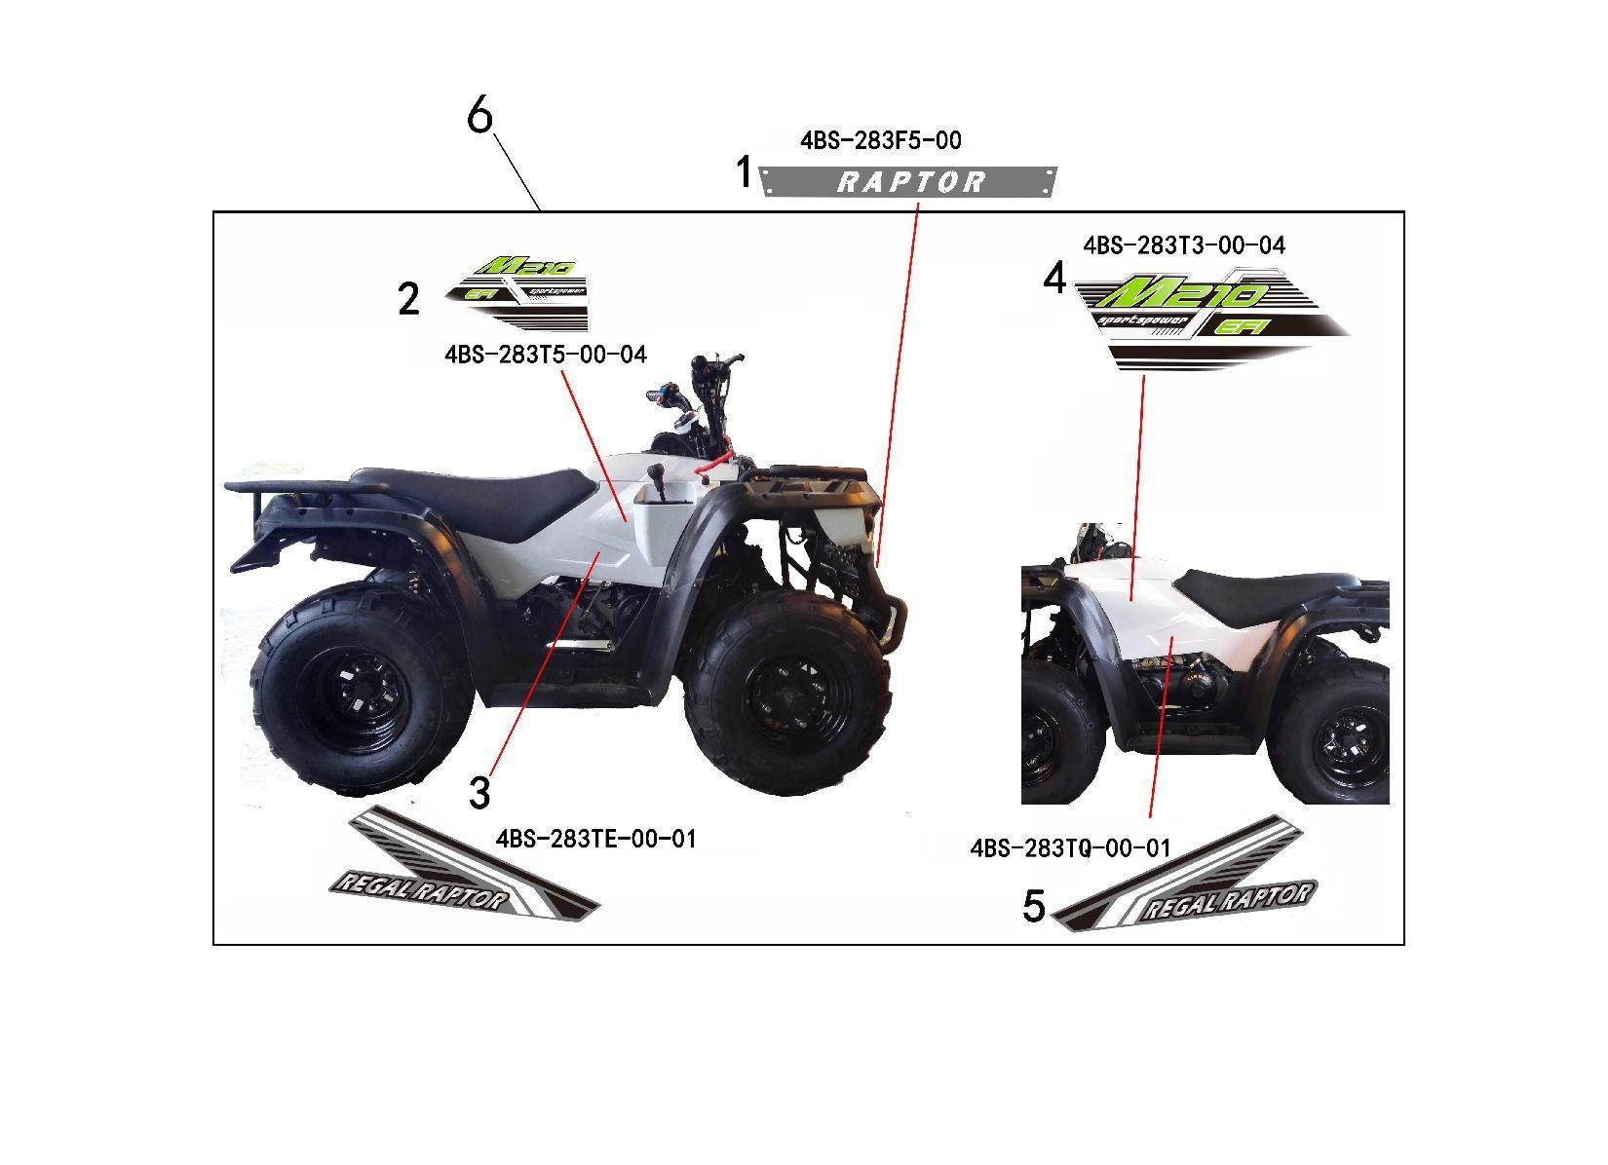

REF. No. | PART No. | DESCRIPTION | Q'TY | PIN | I/C | 图号 | 名称 | PRICE
1 | 62461 | ALUMINUM PLATE (RAPTOR) | 1 |  |  | 4BS-283F5-00 | 土耳其RAPTOR前装饰板 | $5.93
6 | 62464 | STICKER SET (REGAL RAPTOR BRAND, USED FOR GREY PLASTIC PARTS) | 1 |  |  | 4BS-283TR-00 | M200七号装饰贴花组 (土耳其REGAL RAPTOR灰色塑料件配色贴花) (除土耳其RAPTOR前装饰板) | $35.00

V34 REGAL RAPTOR BRAND STICKER SET (USED FOR BLACK PLASTIC PARTS) |  |  |  |  |  |  |  | BACK
...
REF. No. | PART No. | DESCRIPTION | Q'TY | PIN | I/C | 图号 | 名称 | PRICE
1 | 62461 | ALUMINUM PLATE (RAPTOR) | 1 |  |  | 4BS-283F5-00 | 土耳其RAPTOR前装饰板 | $5.93
6 | 62463 | STICKER SET (REGAL RAPTOR BRAND, USED FOR RED PLASTIC PARTS) | 1 |  |  | 4BS-283TW-00 | M200九号装饰贴花组 (土耳其REGAL RAPTOR红色塑料件配色贴花) (除土耳其RAPTOR前装饰板) | $35.00

V34 STICKER (WARNING STICKER SET FOR T3) |  |  |  |  |  |  |  | BACK
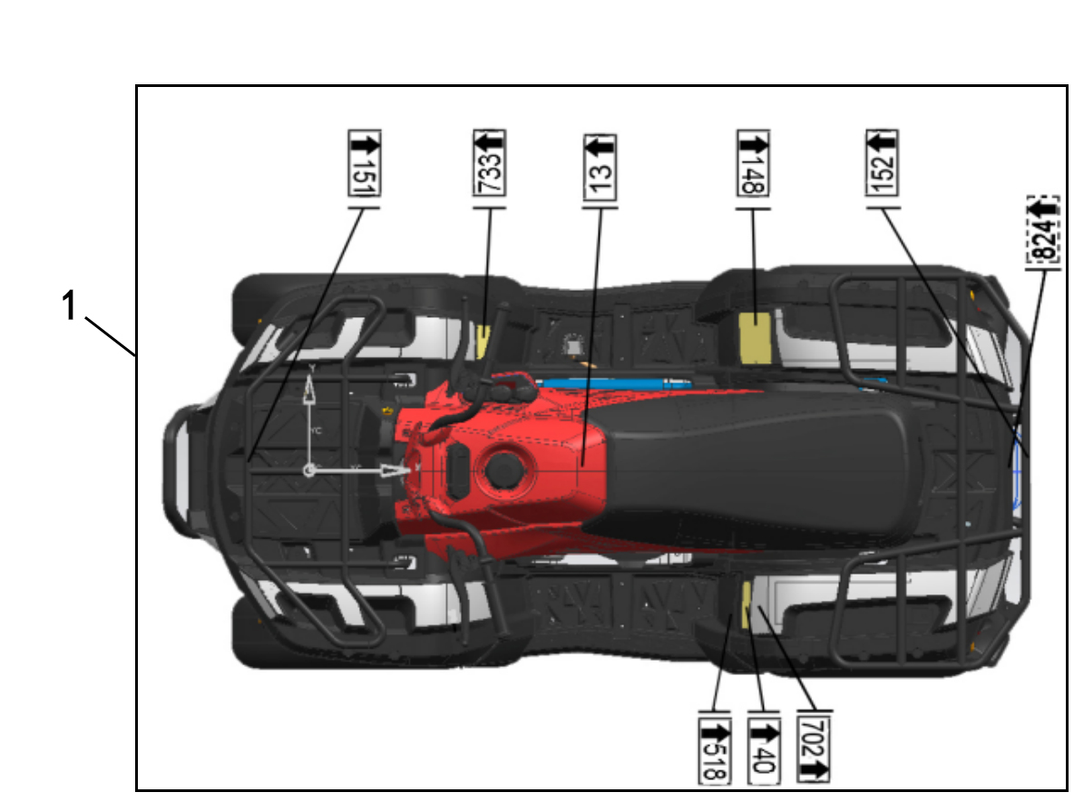

REF. No. | PART No. | DESCRIPTION | Q'TY | PIN | I/C | 图号 | 名称
1 | 62413 | WARNING STICKER SET (T3) | 1 |  |  | 4BH-283U2-00 | M210T3警告贴花组 | $7.12

V35
V34 OWNERS MANUAL |  |  |  |  |  |  |  | BACK
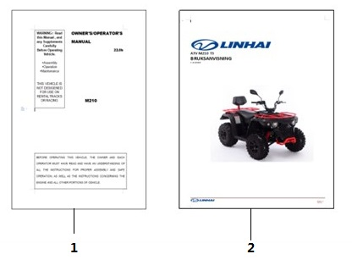

REF. No. | PART No. | DESCRIPTION | Q'TY | PIN | I/C | 图号 | 名称 | PRICE
1 | 80519 | OWNER'S/OPERATOR'S MANUAL (T3) (IN ENGLISH) | 1 |  |  | 4BS-0GB02-00 | M210 英文T3说明书 | $5.35
2 | 80520 | OWNER'S/OPERATOR'S MANUAL (T3) (IN SEWEDISH) | 1 |  |  | 4BS-0GB03-00 | M210 瑞典文T3说明书 | $5.35

E01 (T3a T3b)
E01 ENGINE |  |  |  |  |  |  |  | BACK
...
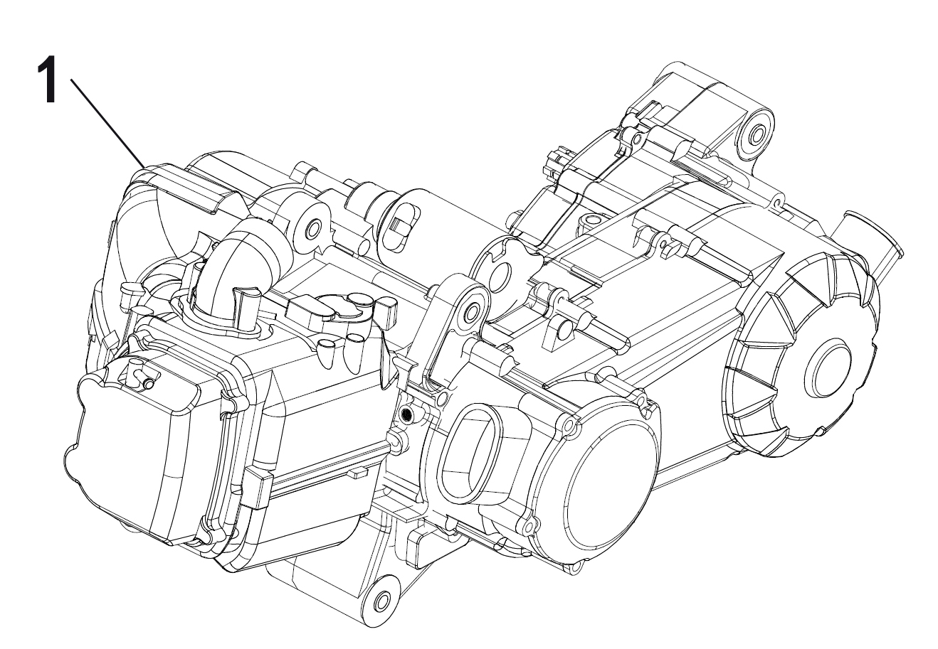

REF. No. | PART No. | DESCRIPTION | Q'TY | PIN | I/C | 图号 | 名称 | PRICE
1 | 62293 | ENGINE (T3b) | 1 |  |  | 1EF-00000-10 | LH1P63FMK-2A发动机 (T3b) | $725.35
1 | 62294 | ENGINE (T3a) | 1 |  |  | 1EF-00000-20 | LH1P63FMK-2B发动机 (T3a) | $725.35
1 | 62465 | ENGINE (T3b, Without LINHAI Logo) | 1 |  |  | 1EF-00000-30 | LH1P63FMK-2A发动机 (T3b, 无林海标识) | $725.35 | NEW ADDED

E02
E02 CYLINDER HEAD |  |  |  |  |  |  |  | BACK
...
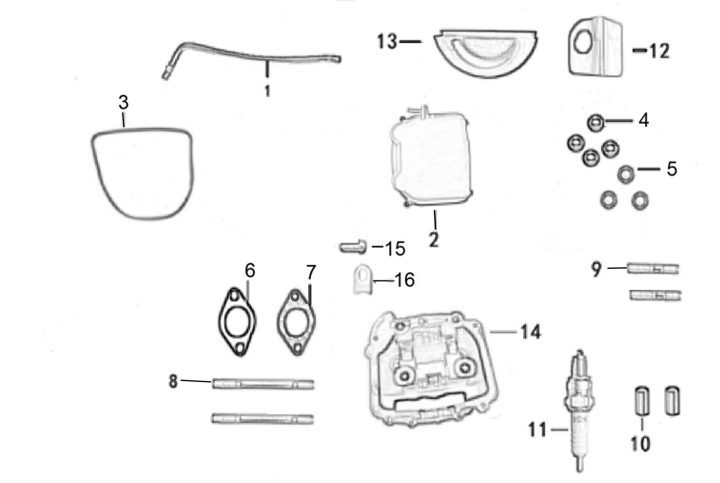

REF. No. | PART No. | DESCRIPTION | Q'TY | PIN | I/C | 图号 | 名称 | PRICE
1 | 62295 | TUBE, BREATHER | 1 |  |  | 052QMI0-0101100E0 | 缸头回气胶管组件 (450长) | $0.67
2 | 62296 | COVER COMP., CYLINDER HEAD | 1 |  |  | 063YMK0-0101001C0 | 气缸头罩 | $7.12
3 | 62297 | GASKET, CYLINDER HEAD COVER | 1 |  |  | 052QMI0-010100300 | 气缸头罩密封橡圈 | $1.78
4 | 10080 | NUT M8 | 4 |  |  | GB06177-86-080000 | 六角法兰面螺母M8 | $0.11
5 | 11764 | WASHER 8×19×2 | 4 |  |  | GB19675-05-190200 | 垫片8×19×2 | $0.11
6 | 62298 | INSULATION BLANKET, CARBURETOR | 1 |  |  | 063YMK0-050000100 | 隔热板 (直径26) | $0.67
...

E03
E03 VALVE |  |  |  |  |  |  |  | BACK
...
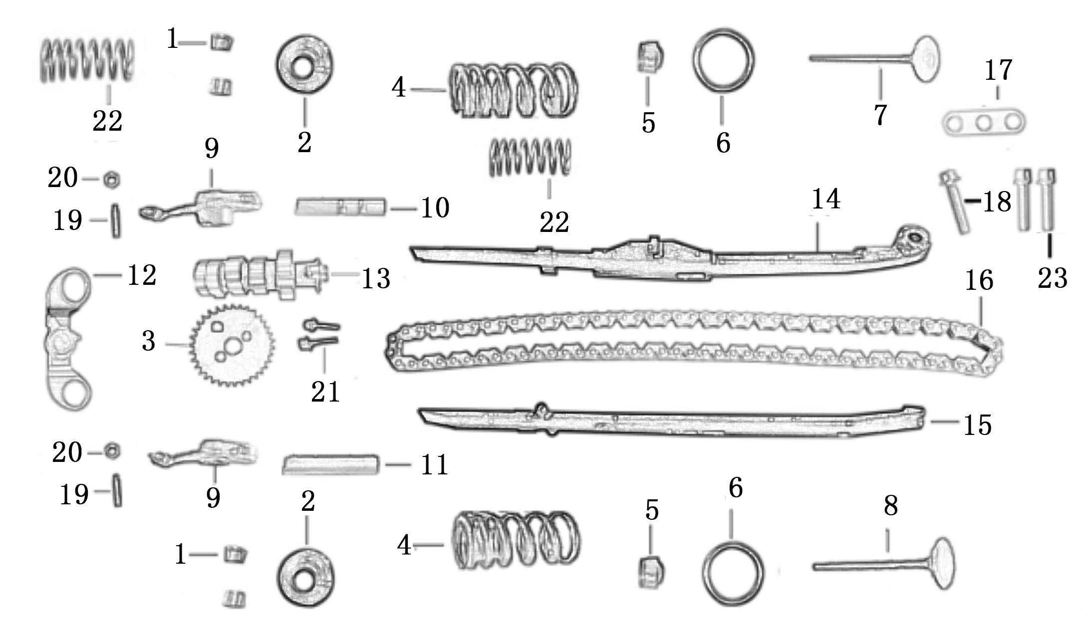

REF. No. | PART No. | DESCRIPTION | Q'TY | PIN | I/C | 图号 | 名称 | PRICE
1 | 37169 | COTTER, VALVE | 1 |  |  | 052QMI0-040100700 | 气门锁夹 | $0.18
2 | 37167 | RETAINER, VALVE SPRING | 2 |  |  | 052QMI0-040100500 | 气门弹簧上座 | $0.27
3 | 62304 | CHAIN WHEEL, TIMING | 1 |  |  | 050QMGA-040300100 | 正时链轮 (本田100) | $1.56
4 | 62305 | SPRING, VALVE (OUTER) | 2 |  |  | 063YMK0-040100300 | 气门弹簧 | $0.45
5 | 37170 | SHIELD, OIL | 2 |  |  | 052QMI0-040110000 | 气门油封 (GY6-125#) | $0.27
...

E04
E04 CYLINDER COMP |  |  |  |  |  |  |  | BACK
...
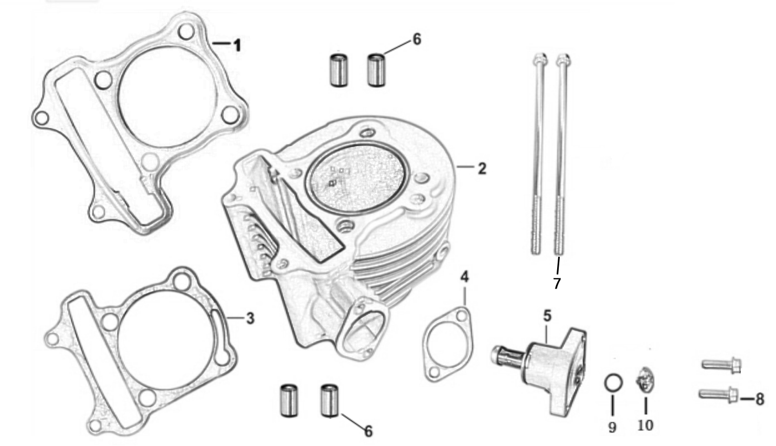

REF. No. | PART No. | DESCRIPTION | Q'TY | PIN | I/C | 图号 | 名称 | PRICE
1 | 62314 | GASKET, CYLINDER HEAD | 1 |  |  | 063YMK0-010200100 | 气缸头密封垫 | $1.11
2 | 62315 | CYLINDER COMP. | 1 |  |  | 063YMK0-0103100A0 | 气缸 | $20.03
3 | 62316 | GASKET, CYLINDER | 1 |  |  | 063YMK0-0103001B0 | 气缸体密封垫 (无石棉) | $0.18
...

E05
E05 CRANKSHAFT COMP |  |  |  |  |  |  |  | BACK
...
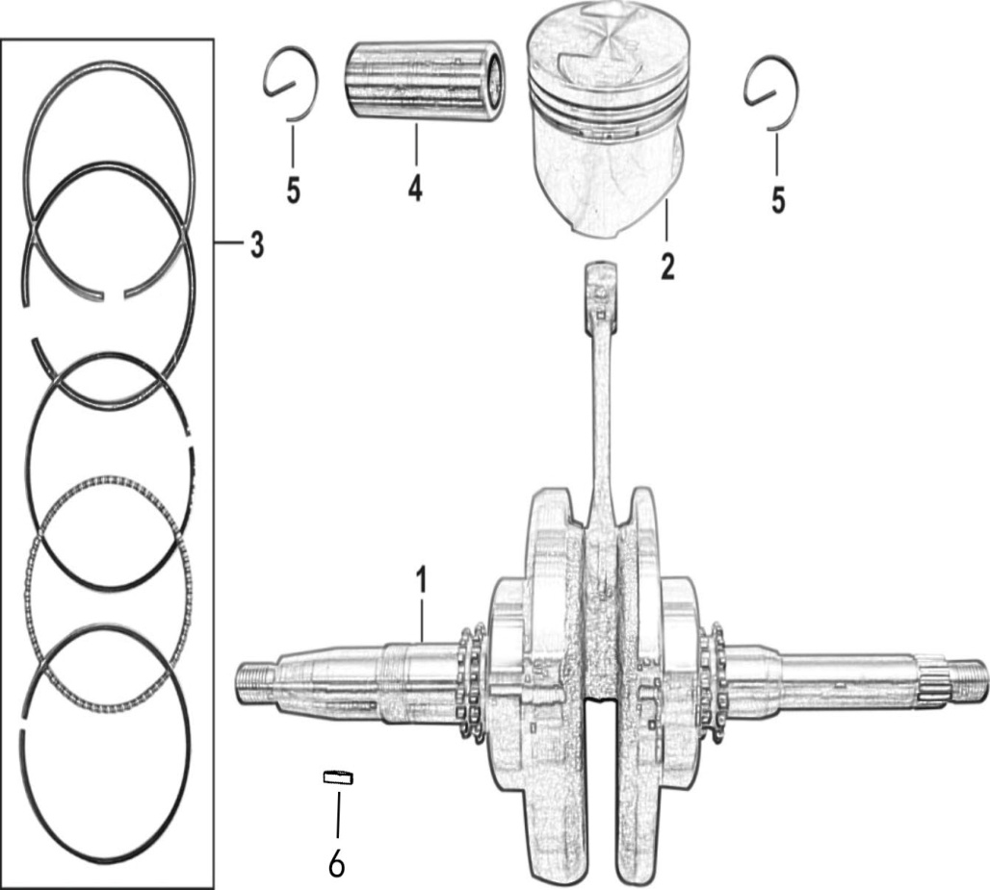
...
REF. No. | PART No. | DESCRIPTION | Q'TY | PIN | I/C | 图号 | 名称 | PRICE
1 | 62318 | CRANKSHAFT COMP. | 1 |  |  | 063YMKP-0302000A0 | 曲柄连杆组合 | $53.40
2 | 62319 | PISTON COMP. | 1 |  |  | 063YMK0-0301001A0 | 活塞 | $7.57
3 | 62320 | RING SET, PISTON | 1 |  |  | 063YMK0-120000011 | 活塞环 | $5.34
4 | 62321 | PIN, PISTON | 1 |  |  | 063YMK0-030100200 | 活塞销 | $0.89
5 | 37166 | CHECK RING, STEEL CABLE BAFFLE | 2 |  |  | 052QMI0-030100300 | 活塞销卡簧 | $0.11
6 | 62453 | WOODRUFF KEY | 1 |  |  | 1EF-11666-00 | 半圆键 | $0.16 | NEW ADDED

E07
E07 CRANKCASE COMP |  |  |  |  |  |  |  | BACK
...
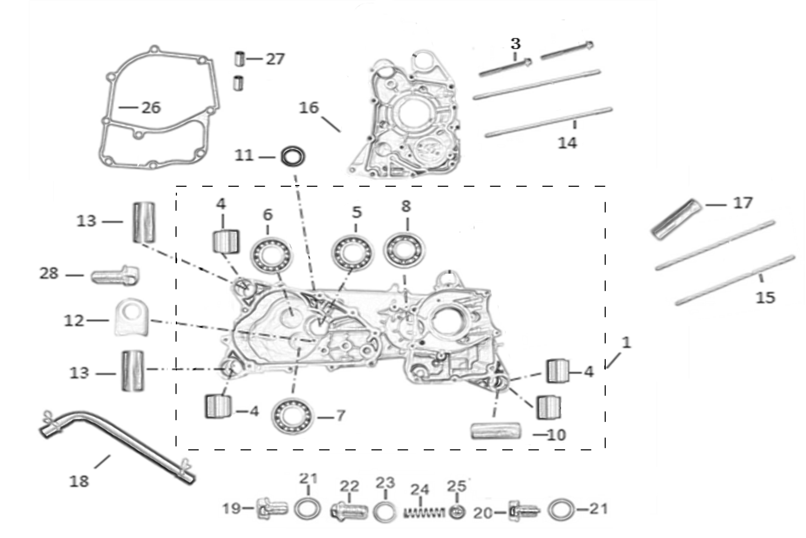

REF. No. | PART No. | DESCRIPTION | Q'TY | PIN | I/C | 图号 | 名称 | PRICE
1 | 62322 | CRANKCASE ASSY., LEFT | 1 |  |  | 063YMKA-020100000 | 左曲轴箱总成 | $100.70
3 | 10349 | BOLT M6×50 | 2 |  |  | GB05787-86-060500 | 六角法兰面螺栓M6×50 | $0.11
4 | 37243 | BUSH, ENGINE HANGER CUSHION | 4 |  |  | 063YMKA-020100100 | 大减震套 (180-3D)φ28×φ10×20/23 | $1.56
5 | 11736 | BEARING 6204/P63 | 1 |  |  | GB00307-94-062040 | 轴承 6204/P63 | $2.67
6 | 11735 | BEARING 6203/P6 | 1 |  |  | GB00307-94-062030 | 轴承 6203/P6 | $2.23
7 | 11734 | BEARING 6202/P6 | 1 |  |  | GB00307-94-062020 | 轴承 6202/P6 | $2.23
...
24 | 37226 | LOCATING SPRING | 1 |  |  | 057QMJD-100000700 | 定位螺栓弹簧 | $0.11
25 | 37227 | BALL, STEEL 9.5 | 1 |  |  | 057QMJD-100000800 | 定位钢球 | $0.13
26 | 62326 | GASKET, CRANKCASE | 1 |  |  | 063YMK0-0200003B0 | 右曲轴箱密封垫 (无石棉) | $2.00
27 | 11761 | PIN, DOWEL 8×14 | 2 |  |  | GB19675-05-080140 | 定位销 8×14 | $0.11
28 | 10140 | BOLT M6×12 | 1 |  |  | GB05787-86-060120 | 六角法兰面螺栓M6×12 | $0.11

E07 CRANKCASE COMP |  |  |  |  |  |  |  | BACK
...
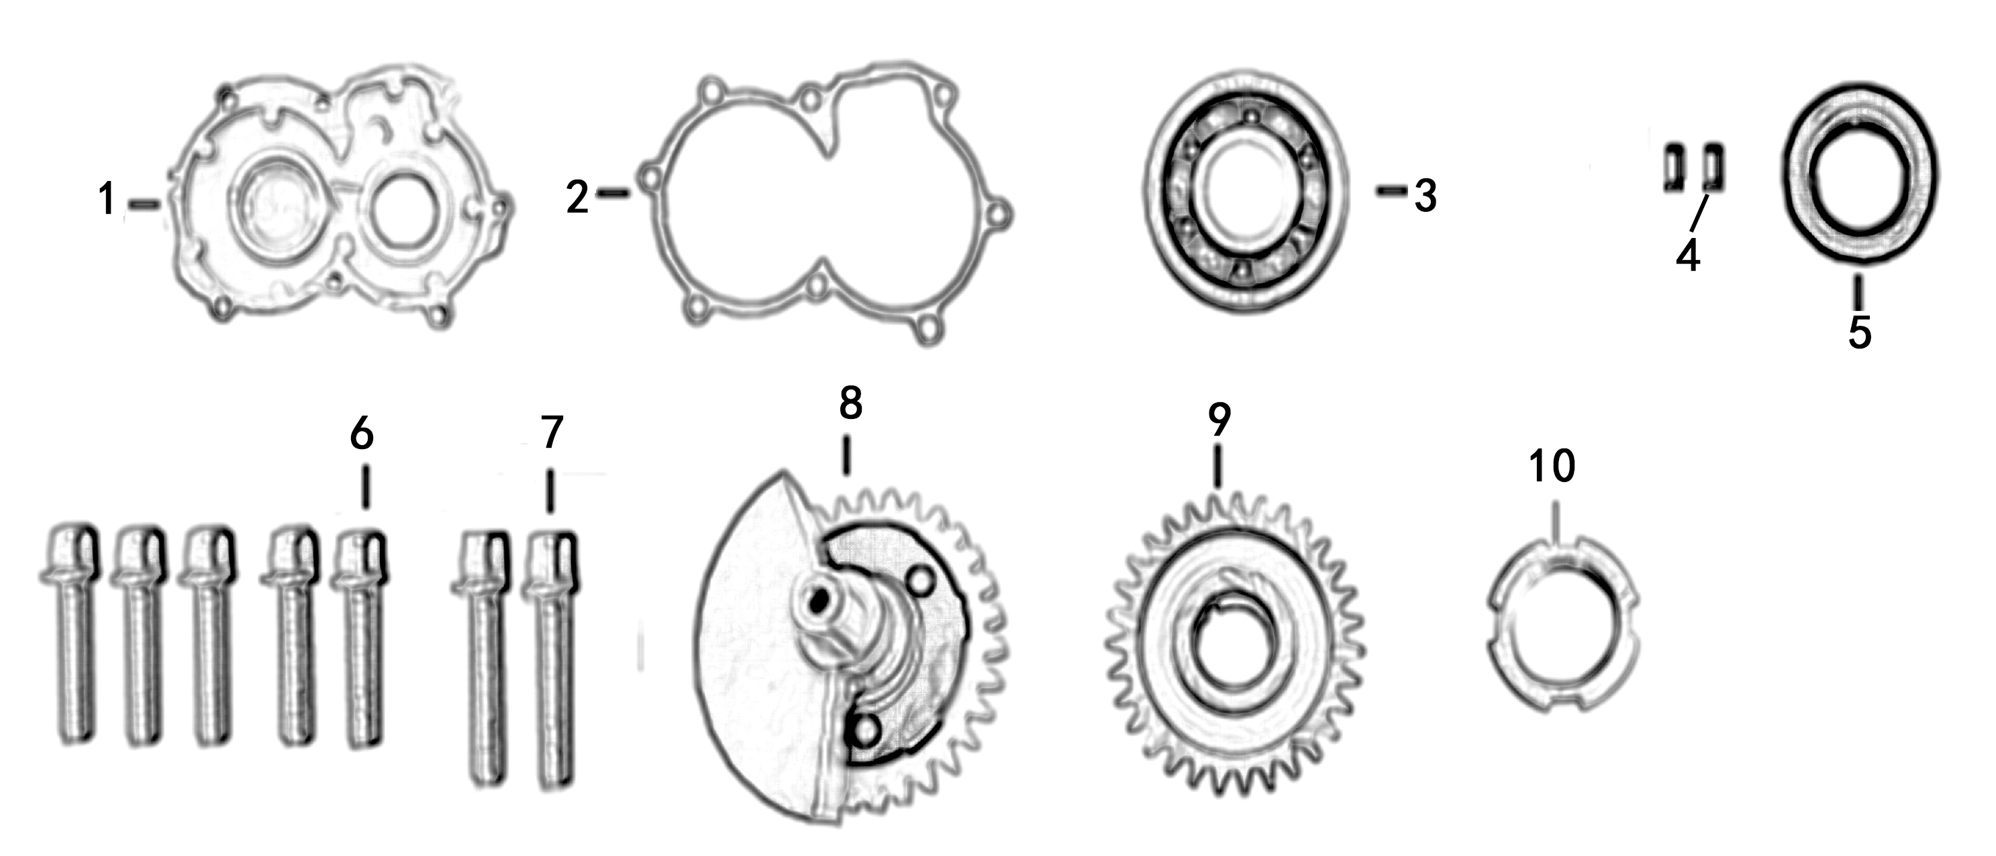

REF. No. | PART No. | DESCRIPTION | Q'TY | PIN | I/C | 图号 | 名称 | PRICE
1 | 37321 | COVER | 1 |  |  | 057QMJP-020000100 | 左小盖 | $7.34
...

E09
E09 LEFT CRANKCASE COVER |  |  |  |  |  |  |  | BACK
...
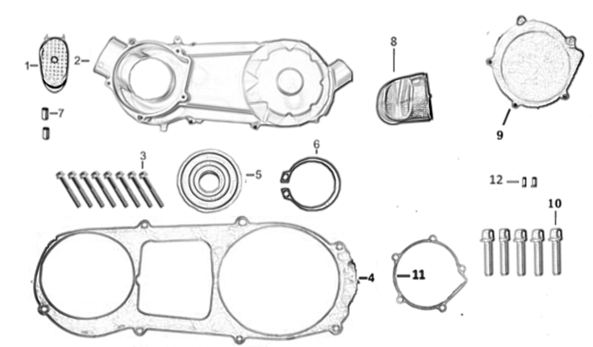

REF. No. | PART No. | DESCRIPTION | Q'TY | PIN | I/C | 图号 | 名称 | PRICE
1 | 37162 | AIR SHROUD1, CVT | 1 |  |  | 052QMI0-0202005D0 | 吸风管 | $0.98
2 | 37163 | COVER COMP., LEFT CRANKCASE | 1 |  |  | 052QMI0-0202102PL | 左曲轴箱盖 | $26.70
3 | 10177 | BOLT M6×40 | 8 |  |  | GB05787-86-060400 | 六角法兰面螺栓M6×40 | $0.11
...

E10
E10 RIGHT CRANKCASE COVER |  |  |  |  |  |  |  | BACK
...
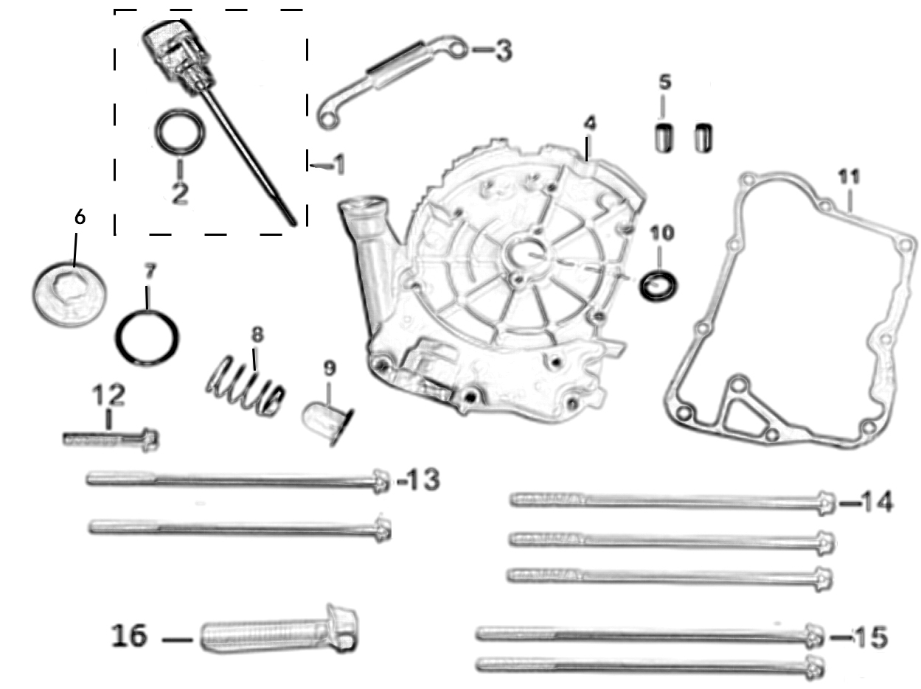

REF. No. | PART No. | DESCRIPTION | Q'TY | PIN | I/C | 图号 | 名称 | PRICE
1 | 37165 | GAUGE COMP., OIL LEVEL | 1 |  |  | 052QMI0-020500200 | 机油标尺 | $0.29
2 | 29511 | O-RING 18×3 | 1 |  |  | GB34521-92-180300 | O 型圈18×3 | $0.10
3 | 37161 | PLATE, WIRE PRESSURE | 1 |  |  | 052QMI0-020001400 | ACG线夹 | $0.13
4 | 37248 | COVER COMP., RIGHT CRANKCASE | 1 |  |  | 063YMKA-020500100 | 右曲轴箱盖 (GY6-180-3D#) | $13.35
5 | 11761 | PIN, DOWEL 8×14 | 2 |  |  | GB19675-05-080140 | 定位销8×14 | $0.11
6 | 37192 | CAP, OIL STRAINER SCREEN | 1 |  |  | 052QMI0-070200200 | 机油滤网螺帽盖 | $0.36
7 | 11771 | O-RING 30.8×3.1 | 1 |  |  | GB34521-92-308310 | O 型圈30.8×3.1 | $0.11
8 | 37191 | SPRING, OIL STRAINER SCREEN | 1 |  |  | 052QMI0-070200100 | 滤网弹簧 | $0.16
...

E11
E11 GENERATOR |  |  |  |  |  |  |  | BACK

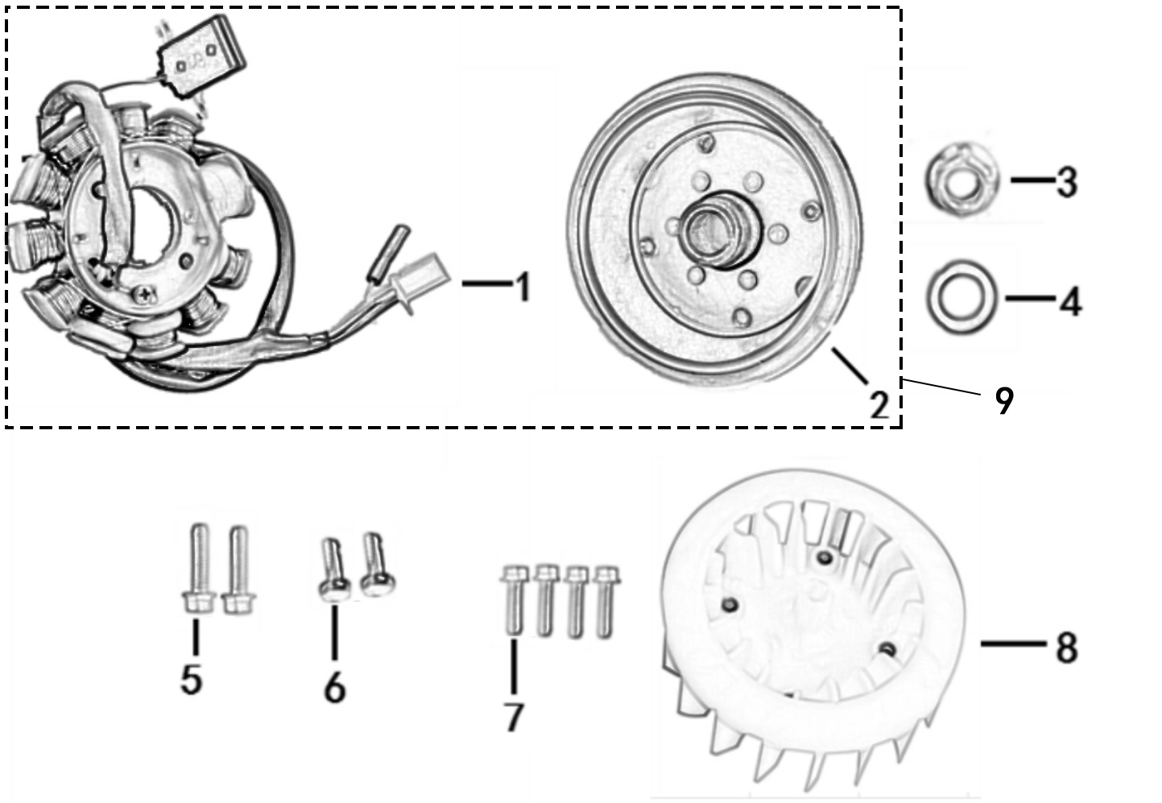

REF. No. | PART No. | DESCRIPTION | Q'TY | PIN | I/C | 图号 | 名称 | PRICE
1 | 62331 | STATOR COMP. | 1 |  |  | 052QMI0-0601100S0 | 定子 | $20.03
2 | 62332 | ROTOR COMP. | 1 |  |  | 052QMI0-0601200E0 | 转子 | $11.57
3 | 11751 | NUT M12 | 1 |  |  | GB06177-86-120110 | 六角法兰面螺母M12×11 | $0.13
4 | 11767 | WASH φ12×φ24×2 | 1 |  |  | GB19675-05-240200 | 垫片φ12×φ24×2 | $0.11
5 | 10187 | BOLT M6×25 | 2 |  |  | GB05787-86-060250 | 六角法兰面螺栓M6×25 | $0.11
6 | 11775 | BOLT M5×12 | 2 |  |  | GB05782-00-050120 | 六角螺栓M5×12 | $0.10
...

E12
E12 ELECTRIC STARTER |  |  |  |  |  |  |  | BACK
...
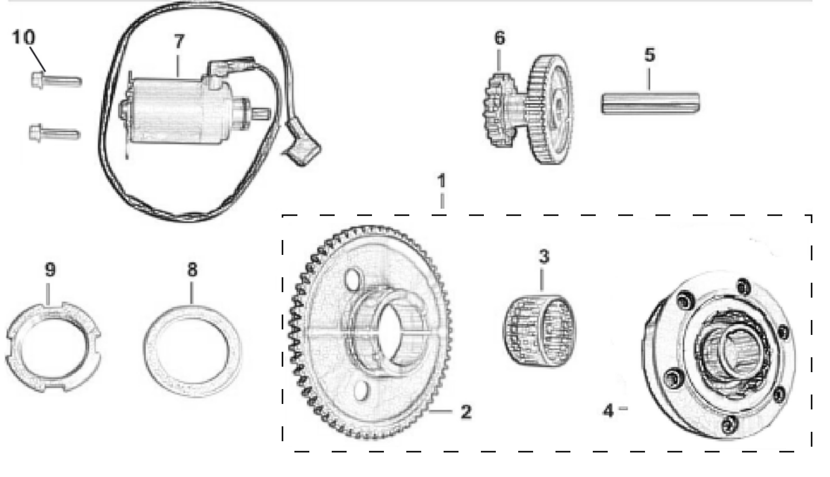

REF. No. | PART No. | DESCRIPTION | Q'TY | PIN | I/C | 图号 | 名称 | PRICE
1 | 62334 | STARTING CLUTCH ASSY. | 1 |  |  | 063YMK0-090500000 | 超越离合器 | $15.89
2 | 62335 | DISK GEAR | 1 |  |  | 063YMK0-090520200 | 超越离合器齿轮组 | $3.78
3 | 37202 | NEEDLE BEARING | 1 |  |  | 052QMI0-090500100 | 滚针轴承 | $0.89
4 | 62336 | ISOLATOR COMP., STARTING CLUTCH | 1 |  |  | 063YMK0-090510000 | 超越离合器外套组件 | $10.24
...

E13
E13 CVT |  |  |  |  |  |  |  | BACK
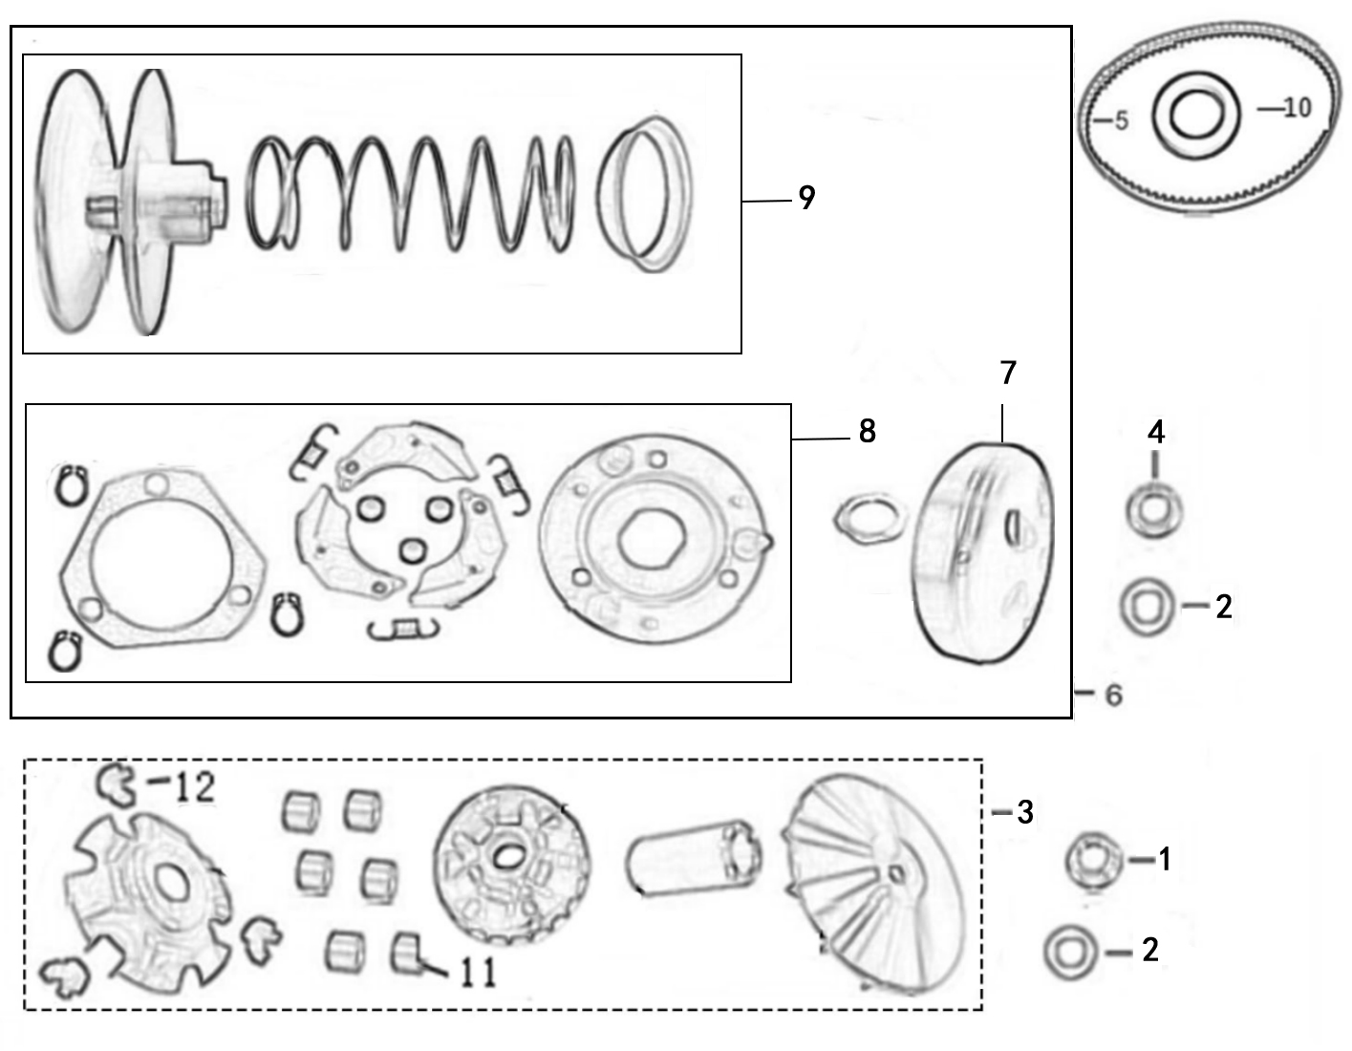
...
REF. No. | PART No. | DESCRIPTION | Q'TY | PIN | I/C | 图号 | 名称 | PRICE
1 | 11751 | NUT M12 | 1 |  |  | GB06177-86-120110 | 六角法兰面螺母M12×11 | $0.13
2 | 11768 | GASKET 12×φ29×2.5 | 2 |  |  | GB19675-05-290250 | 垫片12×φ29×2.5 | $0.11
3 | 62338 | DRIVING PULLEY ASSY | 1 |  |  | 052QMI0-1001000P0 | 前驱动皮带轮组合 | $15.58
4 | 11752 | NUT M12 | 1 |  |  | GB06177-86-120800 | 六角法兰面螺母 M12×8 | $0.13
5 | 62339 | BELT | 1 |  |  | 052QMI0-1000001F0 | 驱动皮带 | $14.69
6 | 62340 | DRIVEN PULLEY ASSY | 1 |  |  | 057QMJ0-1002000F0 | 从动皮带轮组合 | $45.84
7* | 37213 | DRIVEN PULLEY COMP | 1 |  |  | 052QMI0-100210000 | 从动皮带轮外套组 | $7.57
...

E14
E14 TRANSMISSION |  |  |  |  |  |  |  | BACK
...
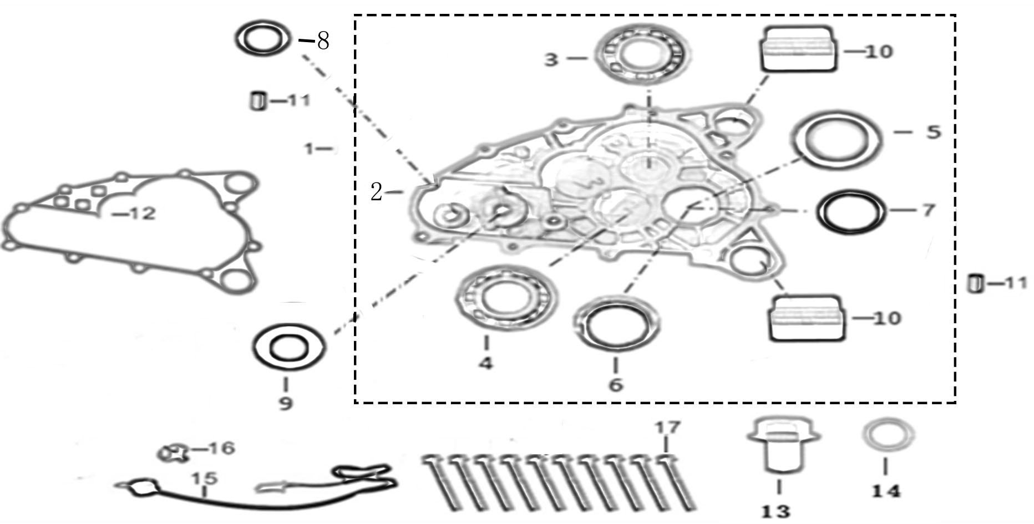

REF. No. | PART No. | DESCRIPTION | Q'TY | PIN | I/C | 图号 | 名称 | PRICE
1 | 37246 | TRANSMISSION CASE COVER ASSY. | 1 |  |  | 063YMKA-020300000 | 齿轮箱盖总成 | $40.18
2 | 37247 | BODY SET, TRANSMISSION CASE COVER | 1 |  |  | 063YMKA-020300100 | 齿轮箱盖 | $22.25
3 | 11777 | BEARING 6203/P6 BEARING 6302/P6 | 1 |  |  | GB00307-94-063020 | 轴承 6302/P6 | $2.30 | MODIFY DESCRIPTION
4 | 11736 | BEARING 6204/P6 | 1 |  |  | GB00307-94-062040 | 轴承 6204/P6 | $2.67
...
13 | 11748 | BOLT, OIL DRAIN M12×15 | 1 |  |  | GB05787-86-120150 | 放油螺栓M12×15 | $0.22
14 | 11765 | WASHER, PLAIN 12×20×1.5 | 1 |  |  | GB19675-05-200151 | 垫片12×20×1.5 (铜) | $0.22
15 | 62343 | SWITCH ASSY., GEAR INDICATOR | 1 |  |  | 063YMKA-1000200A0 | 档显线组件 | $2.67
16 | 37228 | CONTACT, GEAR INDICATOR | 1 |  |  | 057QMJD-100020100 | 档显针 | $0.67
17 | 10177 | BOLT M6×40 (S10) | 10 |  |  | GB05787-86-060400 | 六角法兰面螺栓M6×40 (S10) | $0.11

E14 TRANSMISSION |  |  |  |  |  |  |  | BACK
...
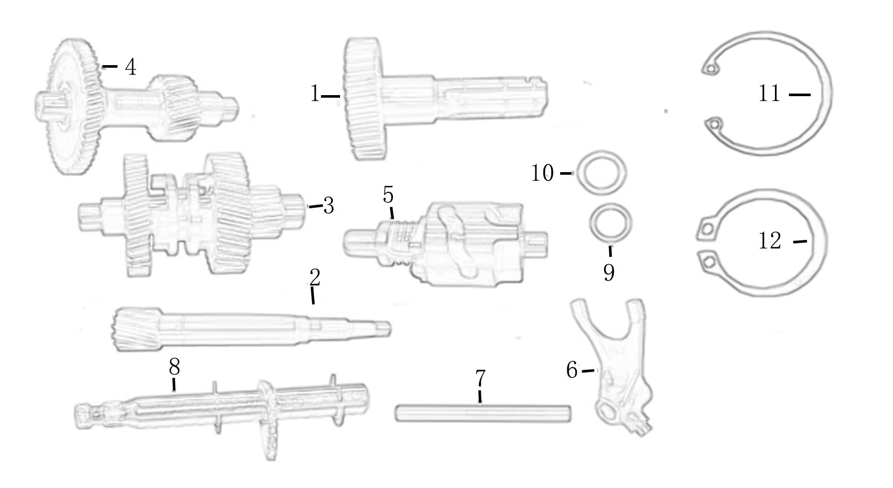

REF. No. | PART No. | DESCRIPTION | Q'TY | PIN | I/C | 图号 | 名称 | PRICE
1 | 62344 | OUTPUT SHAFT COMP., TRANSMISSION CASE | 1 |  |  | 063YMKA-1003100A0 | 输出轴组件 (112) | $15.58
2 | 37328 | MAINSHAFT | 1 |  |  | 063YMKA-100300100 | 输入轴 | $12.68
3 | 62345 | GEAR ASSY., REVERSE | 1 |  |  | 063YMKA-1003600B0 | 变档齿组件 | $23.14
4 | 37330 | INTERMEDIATE AXLE COMP., TRANSMISSION CASE | 1 |  |  | 063YMKA-100320000 | 中间轴组件 | $15.58
...

E17
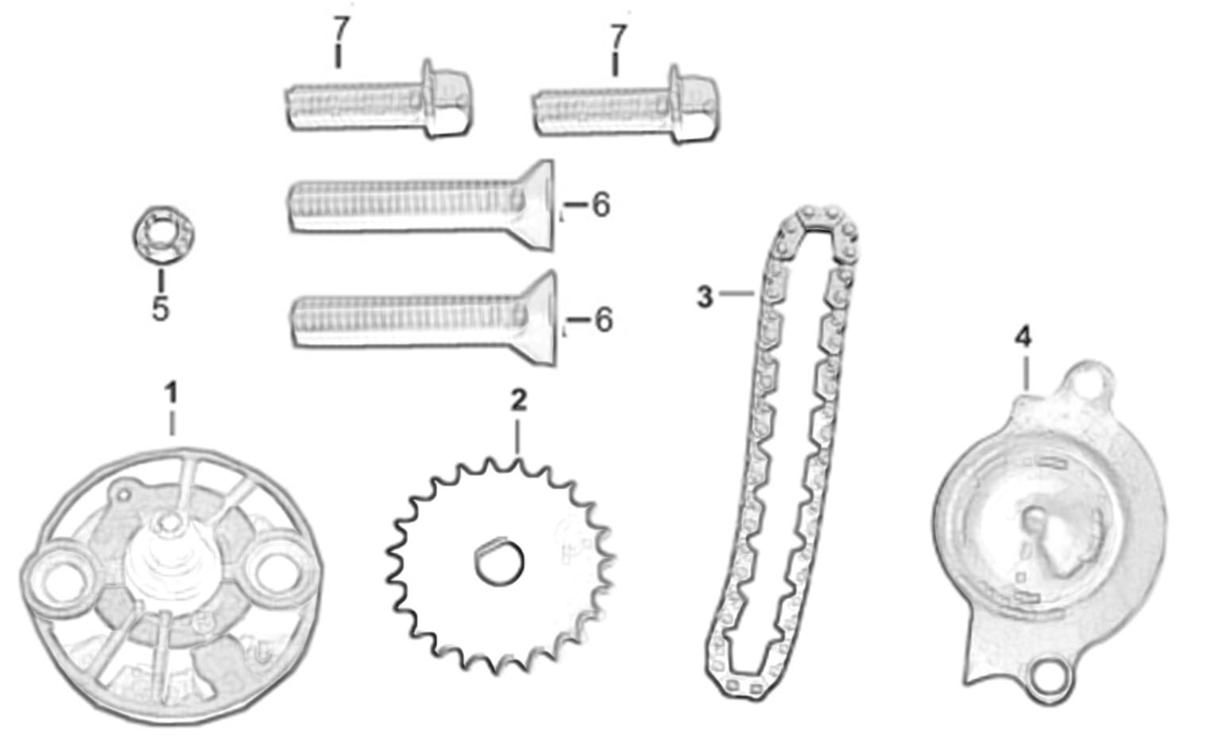
E17 OIL PUMP |  |  |  |  |  |  |  | BACK
 |  |  |  |  |  |  |  |  | 2022.5.18换图

REF. No. | PART No. | DESCRIPTION | Q'TY | PIN | I/C | 图号 | 名称 | PRICE
1 | 62347 | OIL PUMP ASSY | 1 |  |  | 057QMJ0-0701000A0 | 机油泵GY6-150 | $2.60
2 | 37189 | GEAR, OIL PUMP | 1 |  |  | 052QMI0-070010000 | 机油泵从动链轮组合 | $0.89
3 | 37190 | CHAIN, OIL PUMP | 1 |  |  | 052QMI0-070020000 | 机油泵驱动链条 | $1.56
4 | 37188 | COVER | 1 |  |  | 052QMI0-070000200 | 机油泵压板 | $0.13
...

E19
E19 FUEL INJECTION ASSY |  |  |  |  |  |  |  | BACK
...
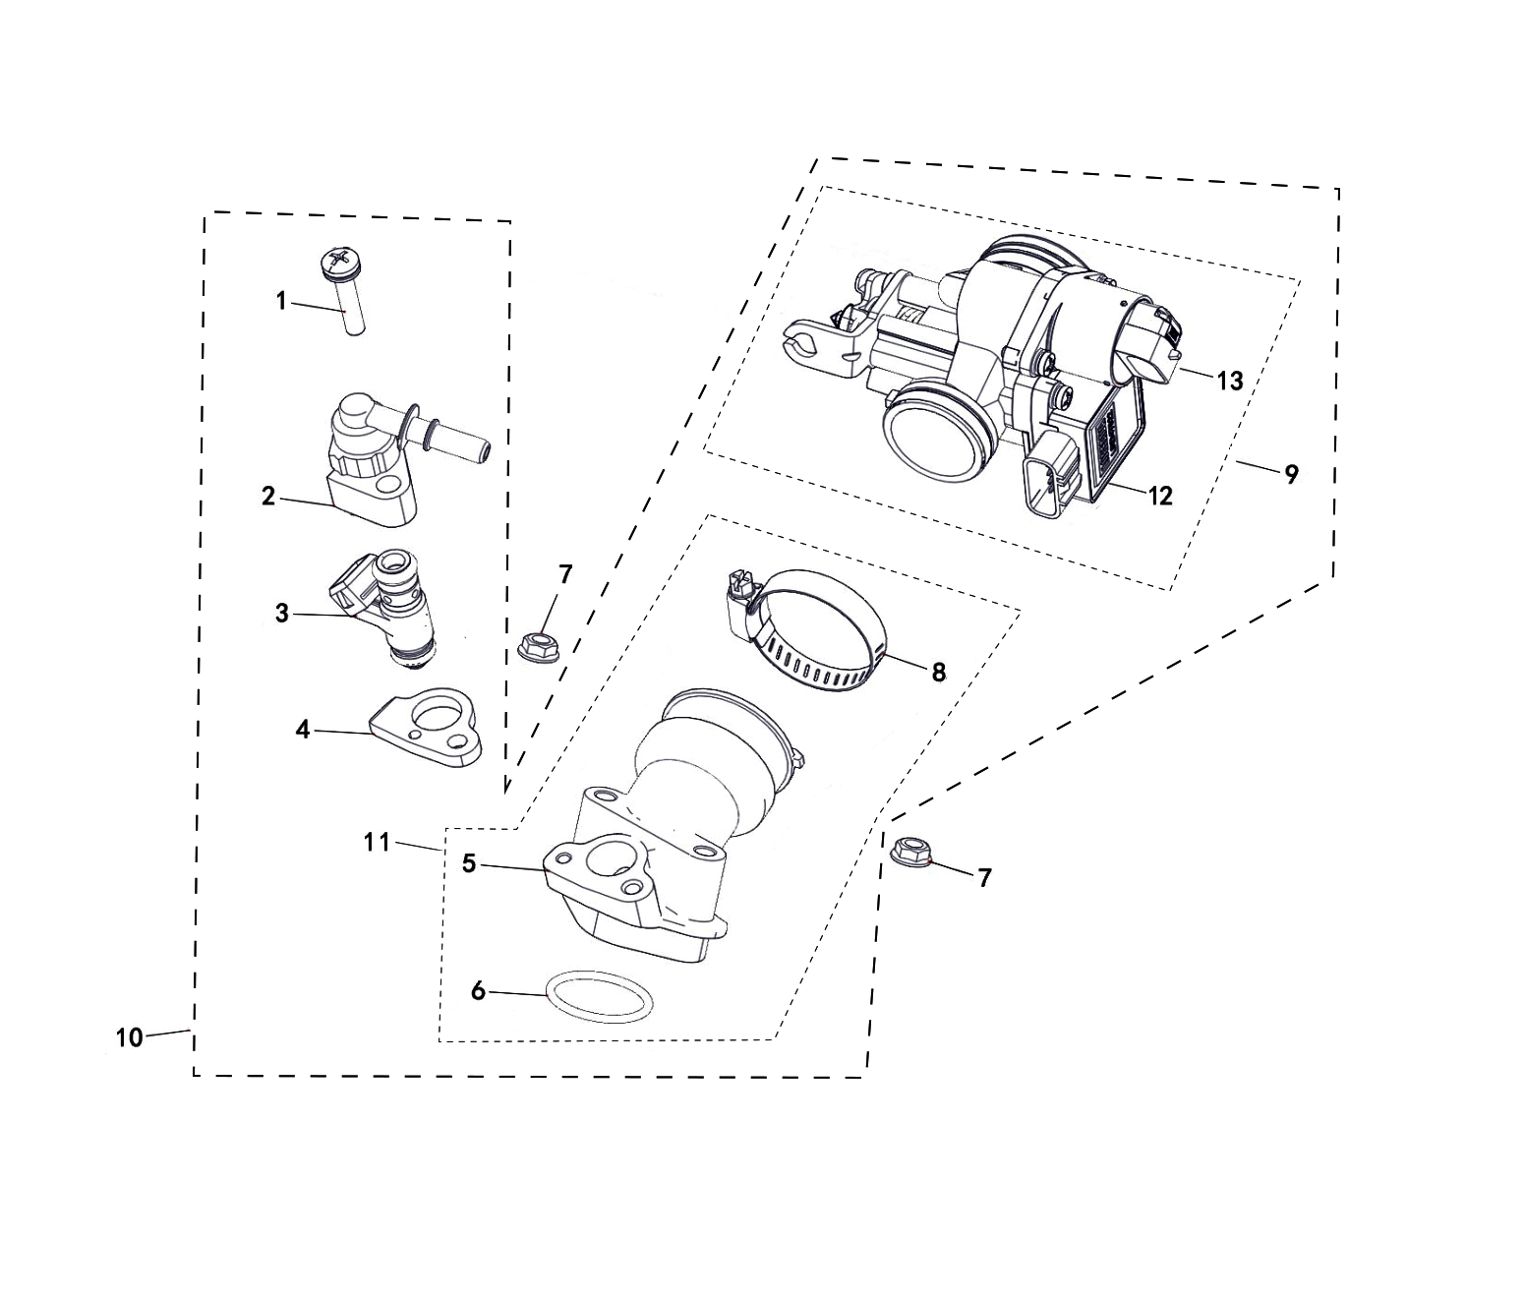
...
REF. No. | PART No. | DESCRIPTION | Q'TY | PIN | I/C | 图号 | 名称 | PRICE
1 | 62348 | COMBINATION SCREW M6X30 | 1 |  |  | B2ML20630R | 螺钉组合件 M6X30 | $0.10 | REPLACED BY 62474
1 | 62474 | SCREW M6X30 | 1 |  |  | B2MB20630R | 螺钉M6X30 | $0.10 | CORRECT PLM
5 | 62352 | JOINT, CARBURETOR | 1 |  |  | 1EF-14104-00 | 电喷进气座 | $10.68
6 | 62353 | O-RING | 1 |  |  | 1EF-14103-00 | O型密封圈 | $0.22
7 | 11520 | NUT M6 | 2 |  |  | B53L20600R | 螺母M6 | $0.16
8 | 72027 | CLIP 21/44 | 1 |  |  | BHG1210007 | 喉箍21/44 | $1.93
9 | 62354 | THROTTLE BODY | 1 |  |  | 1EF-13520-00 | 节气门阀体 | $93.45
...

E22
E22 AIR-COOLED |  |  |  |  |  |  |  | BACK
...
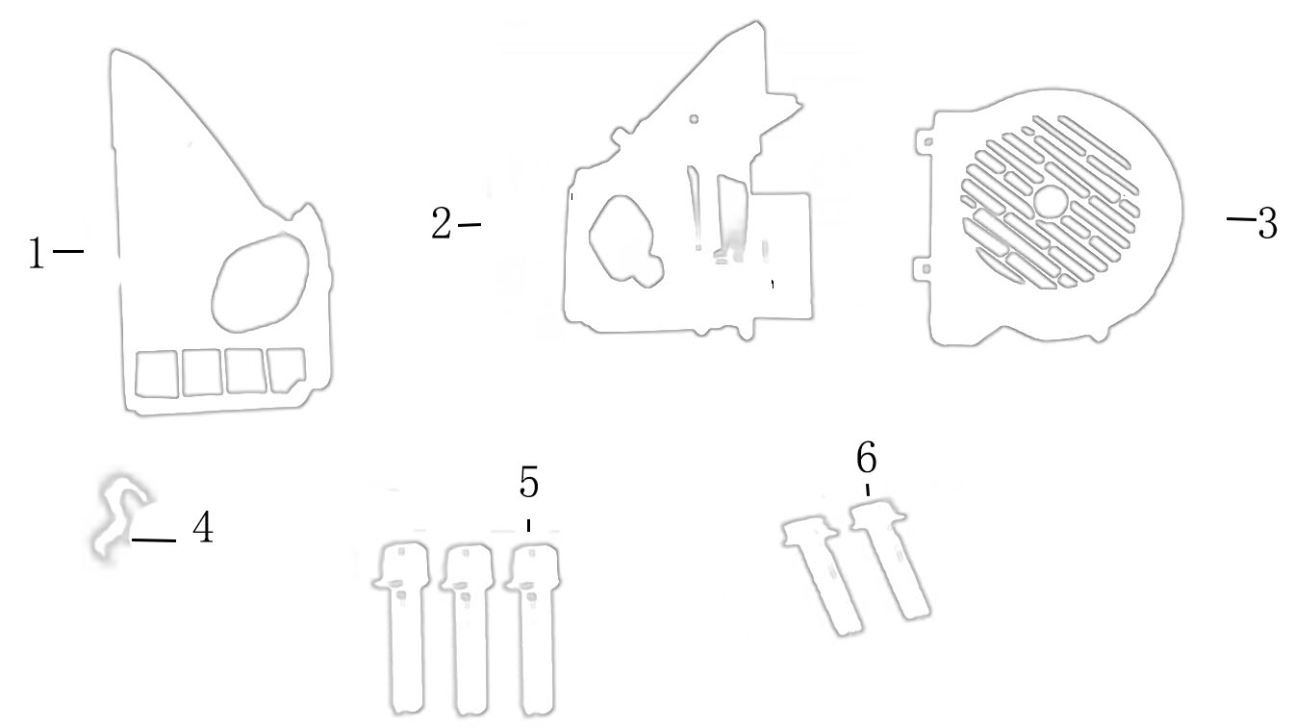

REF. No. | PART No. | DESCRIPTION | Q'TY | PIN | I/C | 图号 | 名称 | PRICE
1 | 62356 | COWLING A | 1 |  |  | 052QMIB-080000100 | 导风罩A(GY7-125#) | $1.91
2 | 62357 | COWLING B | 1 |  |  | 052QMIB-0800002B0 | 导风罩B(GY7-125#) | $2.23
3 | 62358 | FAN COVER | 1 |  |  | 052QMIB-080010000 | 风扇罩组件(GY7-125#) | $1.56
4 | 62359 | CLAMP | 1 |  |  | 052QMI0-020001500 | 溢油管夹 | $0.10
5 | 10187 | FLANGE BOLT M6×25 | 3 |  |  | GB05787-86-060250 | 六角法兰面螺栓M6×25 | $0.11
...

E23
E23 AIR CLEANER |  |  |  |  |  |  |  | BACK
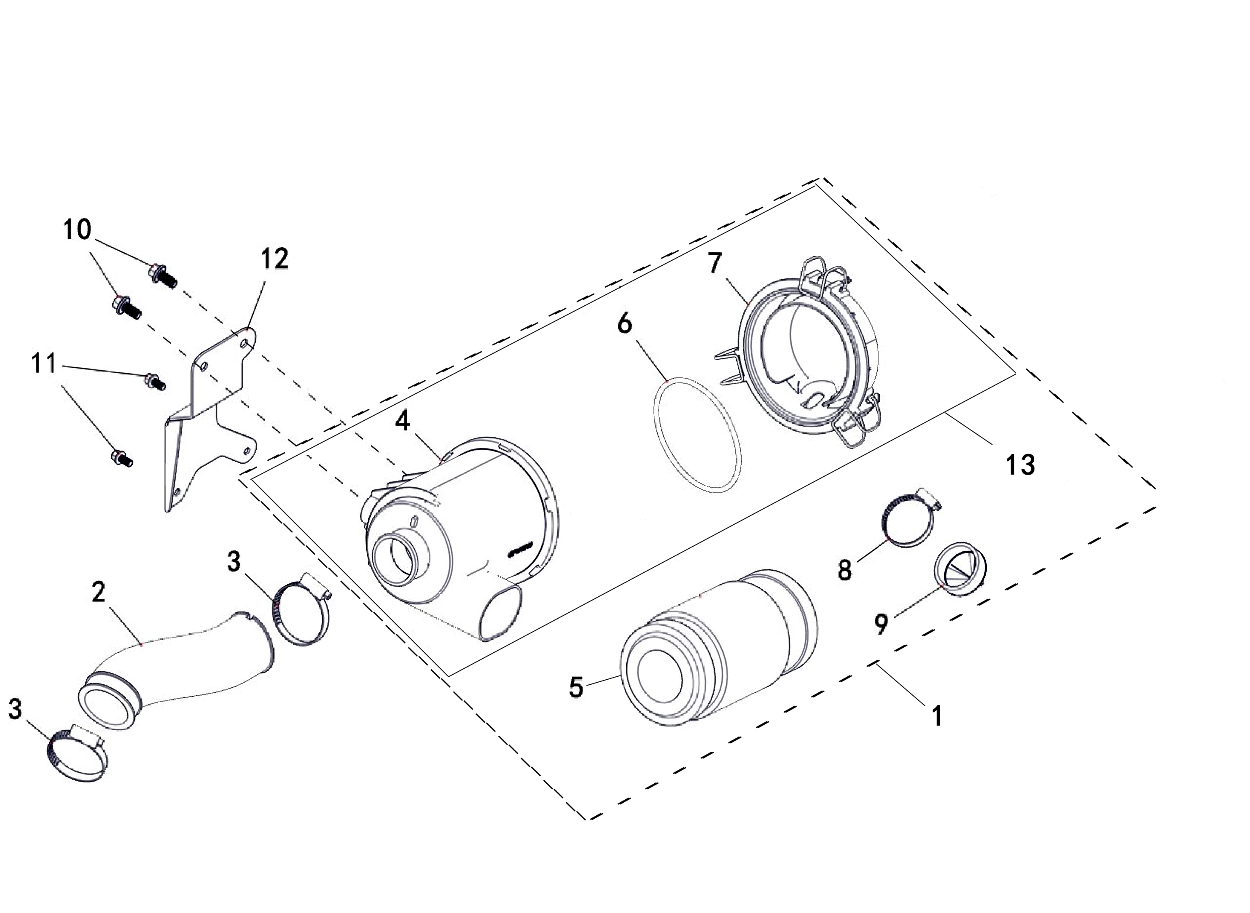
...
REF. No. | PART No. | DESCRIPTION | Q'TY | PIN | I/C | 图号 | 名称 | PRICE
1 | 56291 | AIR CLEANER ASSY | 1 |  |  | 4DF-14401-10 | 空气滤清器组件 | $29.85
2 | 62360 | FEED HOSE | 1 |  |  | 4BS-14401-00 | 空滤器连接管 | $4.90 | REPLACED BY 62471
2 | 62471 | FEED HOSE | 1 |  |  | 4BS-14401-10 | 空滤器连接管 | $4.90 | CORRECT PLM
3 | 71660 | CLIP 33/57 | 2 |  |  | 4AA-24105-00 | 喉箍33/57 | $0.74
5 | 56294 | ELEMENT COMP AIR CLEANER | 1 |  |  | 4DF-14405-00 | 空气滤清器滤芯 | $5.40
6 | 56296 | SEAL RING | 1 |  |  | 4DF-14445-00 | 密封条 | $0.54
...

